Chart 1
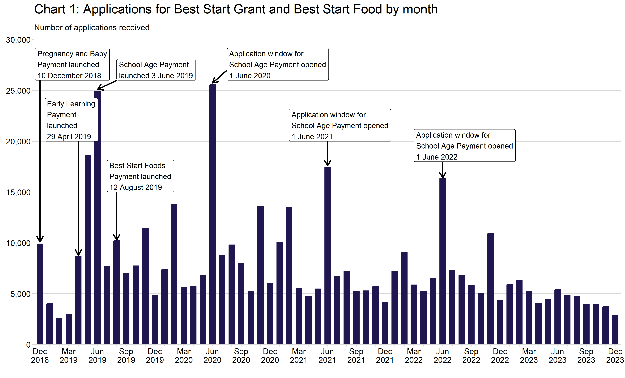
Chart 1: Applications for Best Start Grant and Best Start Foods by month
This worksheet contains one chart. Alternative text for this chart is located in cell A3.
Alternative Text: This chart summarises the number of applications received since the benefit launched on 10 December 2018. Vertical bars are used to show the number of applications for each month. The figures used in this chart are located in Table 1 of this document.

Chart 2
Chart 2: Applications by Best Start Grant and Best Start Foods payment type
This worksheet contains one chart. Alternative text for this chart is located in cell A3.
Alternative Text: This chart summarises the number of applications received since the benefit launched on 10 December 2018. Vertical bars are used to show the number of applications received, summarised by financial year. Colours and labels are used to show the number of applications for each payment type. The figures used in this chart are located in Table 2 of this document. Notes are located below the chart, in cell A40.
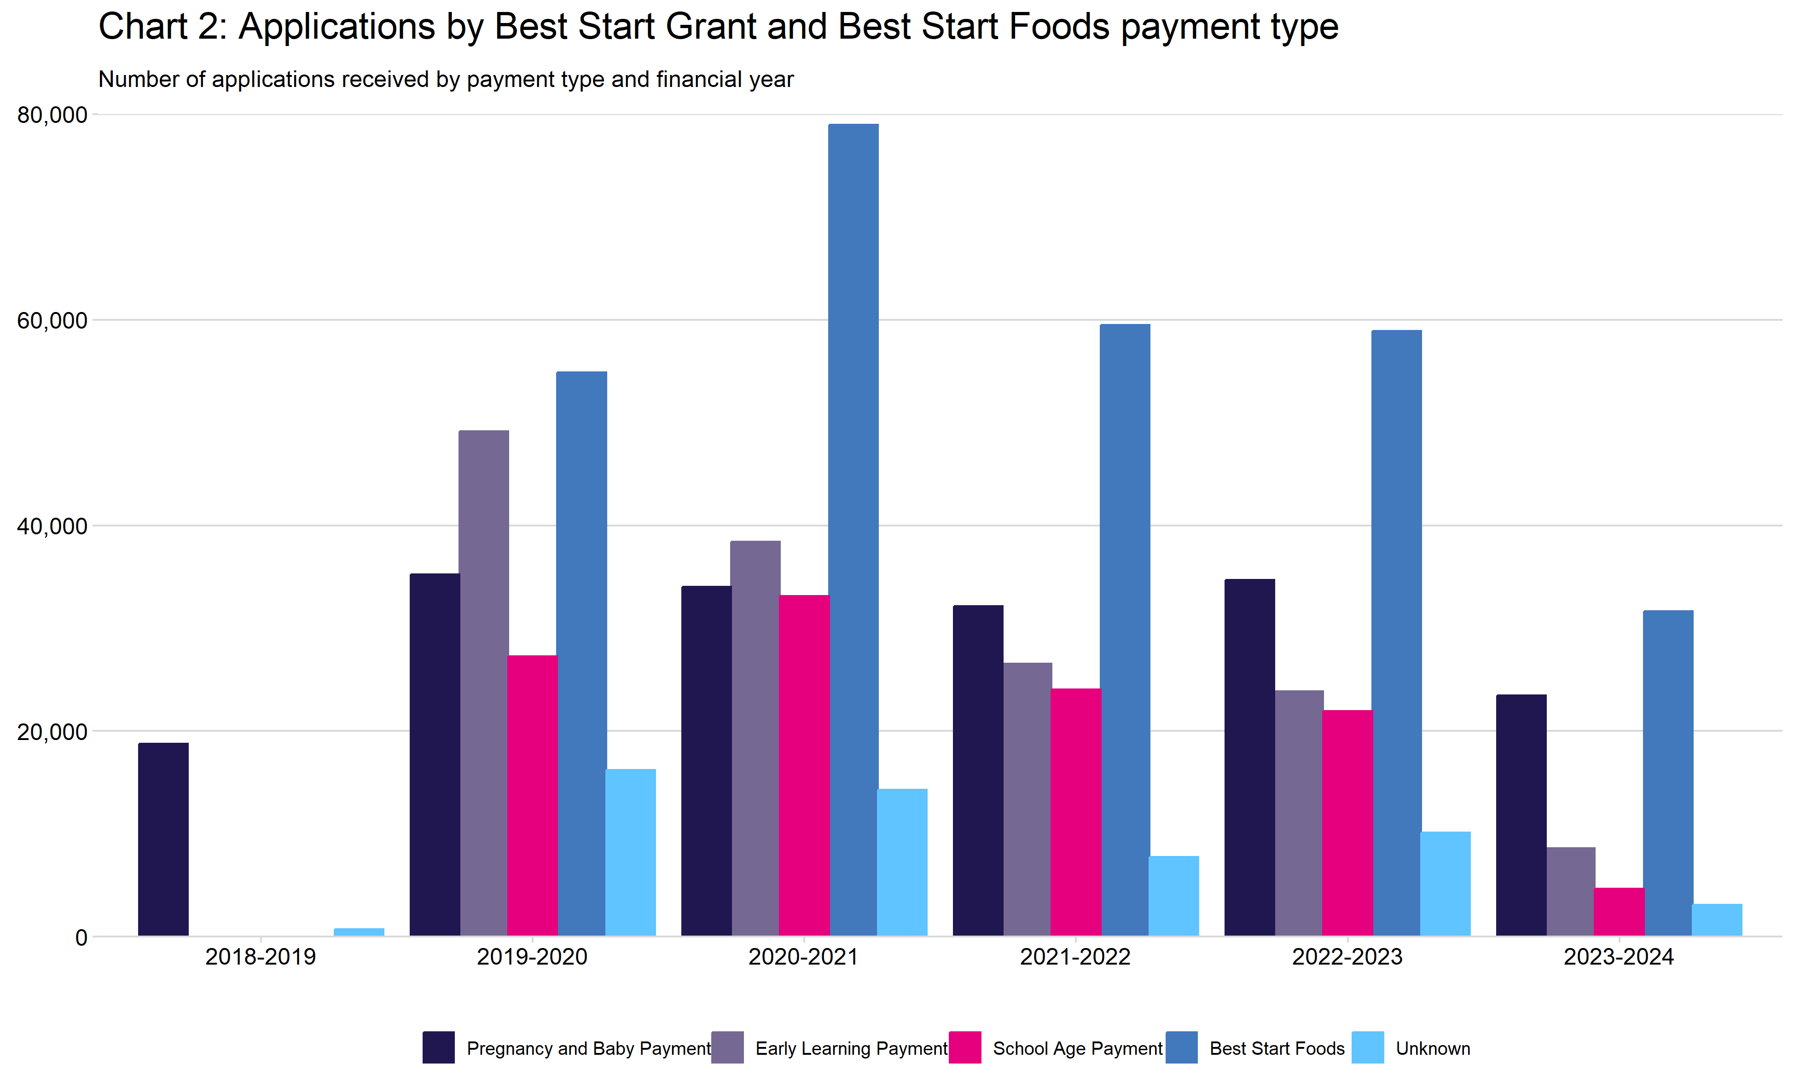

Financial Year 2018 - 2019 includes the months from December 2018 to March 2019. During these months, pregnancy and baby payment was the only payment that had launched.
Financial Year 2019 - 2020 includes the months from April 2019 to March 2020.
Financial Year 2020 - 2021 includes the months from April 2020 to March 2021.
Financial Year 2021 - 2022 includes the months from April 2021 to March 2022.
Financial Year 2022 - 2023 includes the months from April 2022 to March 2023.
Financial Year 2023 - 2024 includes the months from April 2023 to December 2023.
Applications for multiple types of payment are counted multiple times within this chart.
Applications are categorised as being for Pregnancy and Baby Payment if the application form included baby details.
Applications are categorised as being for Early Learning Payment, School Age Payment, or Best Start Foods if the application form was received on or after the payment went live and it had details of dependent children of the relevant eligible ages.
Applications are categorised as being Unknown, where no children were of eligible age for either Best Start Grant or Best Start Foods payment. The authorisation rate for unknown applications is low because the application did not include children of eligible age.

Chart 3
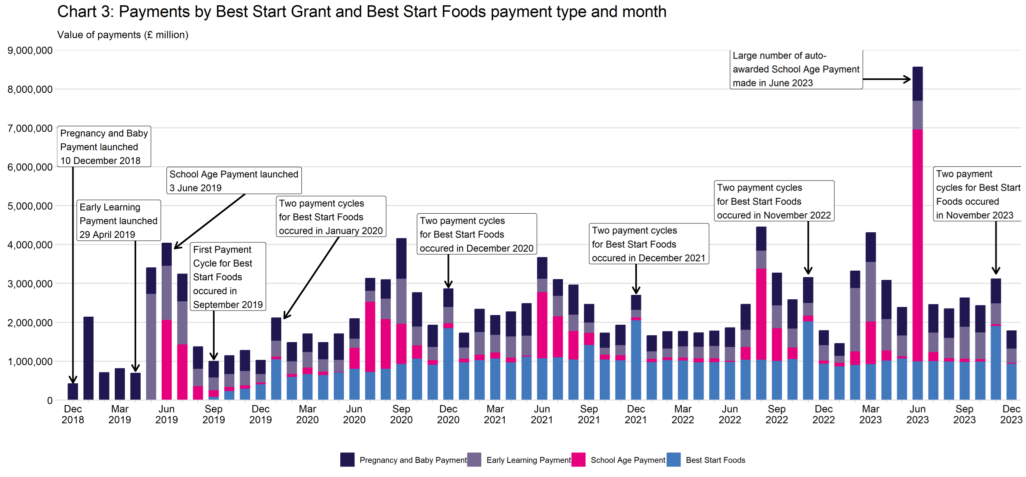
Chart 3: Payments by Best Start Grant and Best Start Foods payment type and month
This worksheet contains one chart. Alternative text for this chart is located in cell A3.
Alternative Text: This chart summarises the value of payments since the benefit launched on 10 December 2018. Vertical bars are used to show the value of payments for each month (in millions of pounds) and colours and labels distinguish between the different payment types. The figures used in this chart are located in Table 12 of this document.

