Chart 1
Chart 1: Applications for Best Start Grant and Best Start Foods by month
This worksheet contains one chart. Alternative text for this chart is located in cell A3.
Alternative Text: This chart summarises the number of applications received since the benefit launched on 10 December 2018. Vertical bars are used to show the number of applications for each month. The figures used in this chart are located in Table 1 of this document.
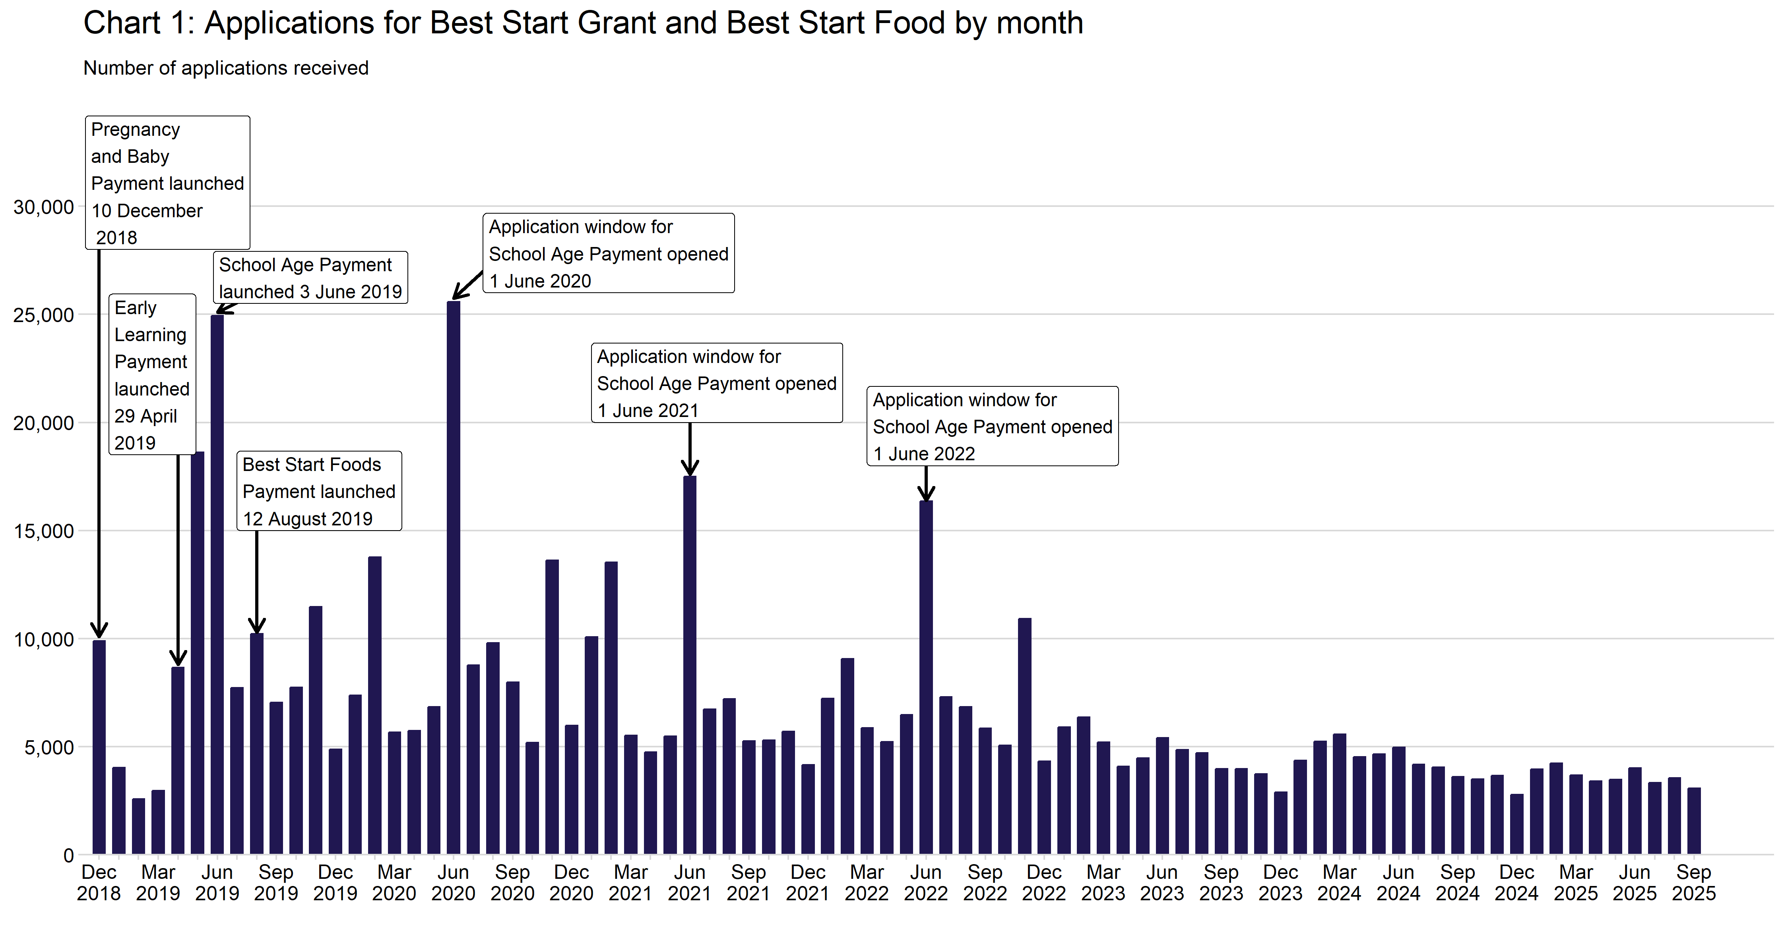

Chart 2
Chart 2: Applications by Best Start Grant and Best Start Foods payment type
This worksheet contains one chart. Alternative text for this chart is located in cell A3.
Alternative Text: This chart summarises the number of applications received since the benefit launched on 10 December 2018. Vertical bars are used to show the number of applications received, summarised by financial year. Colours and labels are used to show the number of applications for each payment type. The figures used in this chart are located in Table 2 of this document.
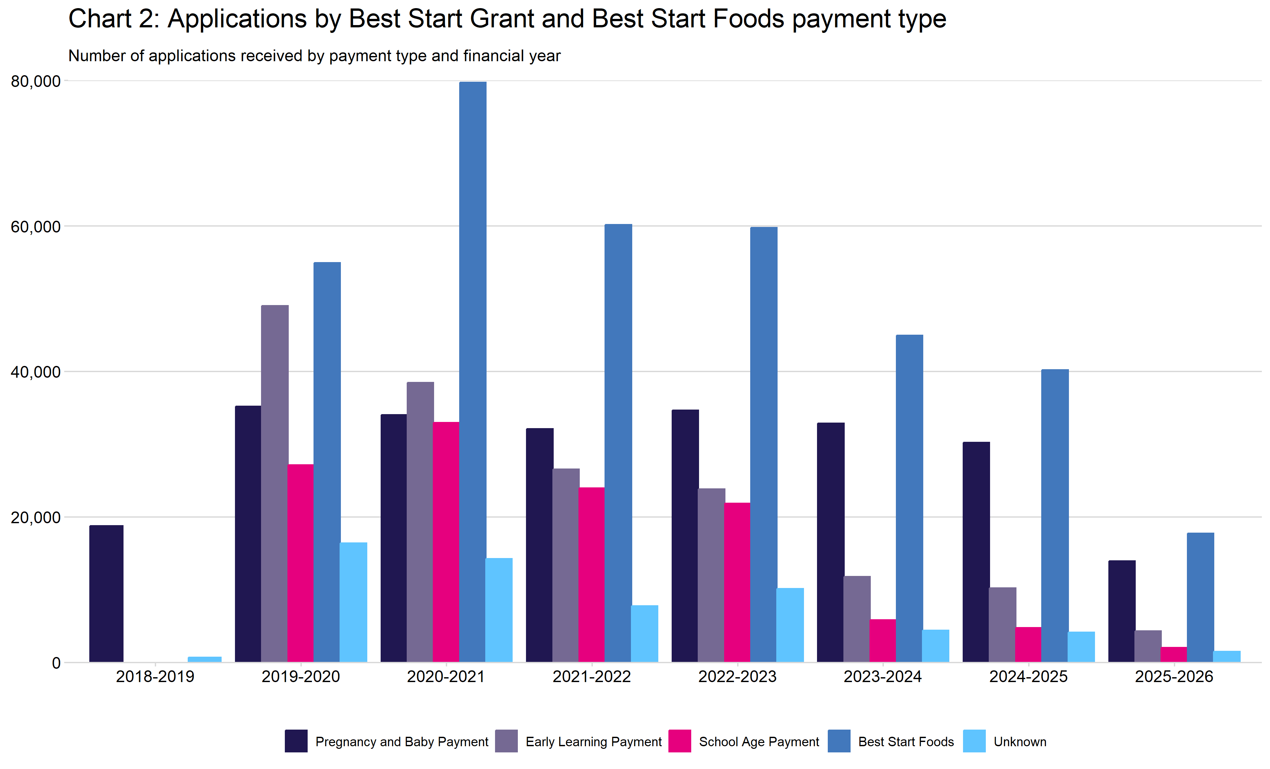

Chart 3
Chart 3: Payments by Best Start Grant and Best Start Foods payment type and month
This worksheet contains one chart. Alternative text for this chart is located in cell A3.
Alternative Text: This chart summarises the value of payments since the benefit launched on 10 December 2018. Vertical bars are used to show the value of payments for each month (in thousands of pounds) and colours and labels distinguish between the different payment types. The figures used in this chart are located in Table 12 of this document.
