Chart 1
Chart 1: Initial care award levels by month
This sheet contains one chart. Alternative text for this chart is located in cell A3.
Alternative Text: This chart summarises proportion of initial care levels at each level following completion of a Child Disability Payment application, by month from August 2021 to September 2025. There is one line for highest care, one line for middle care and one line for lowest care. For each line there is a corresponding trend line to show the general pattern over time. Since March 2022, the proportion of initial awards at the highest level has gradually decreased, the proprtion of awards made at the lowest level has gradually increased, and the proportion of awards made at the middle level has remained relatively stable.
The figures used in this chart are located in Table 3 of this workbook.

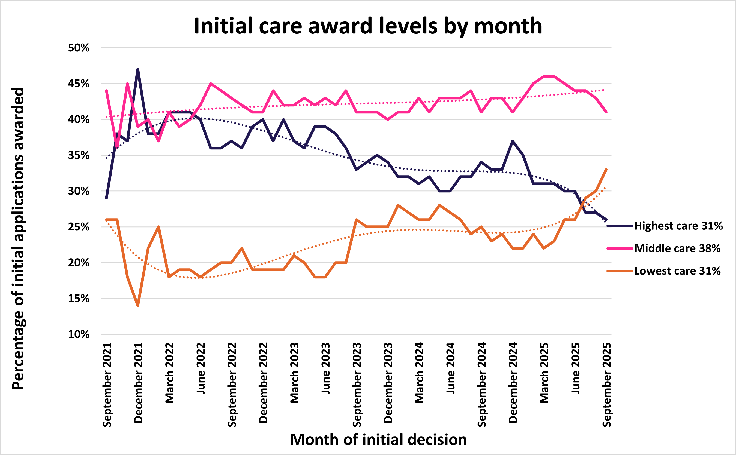

Chart 2
Chart 2: Initial mobility award levels by month
This sheet contains one chart. Alternative text for this chart is located in cell A3.
Alternative Text: This chart summarises proportion of initial mobility levels at each level following completion of a Child Disability Payment application, by month from August 2021 to September 2025. There is one line for higher mobility and one line for lowest mobility. Since the launch of the benefit, the proportion of mobility awards made each month at the higher and lower levels has remained relatively stable.
The figures used in this chart are located in Table 4 of this workbook.

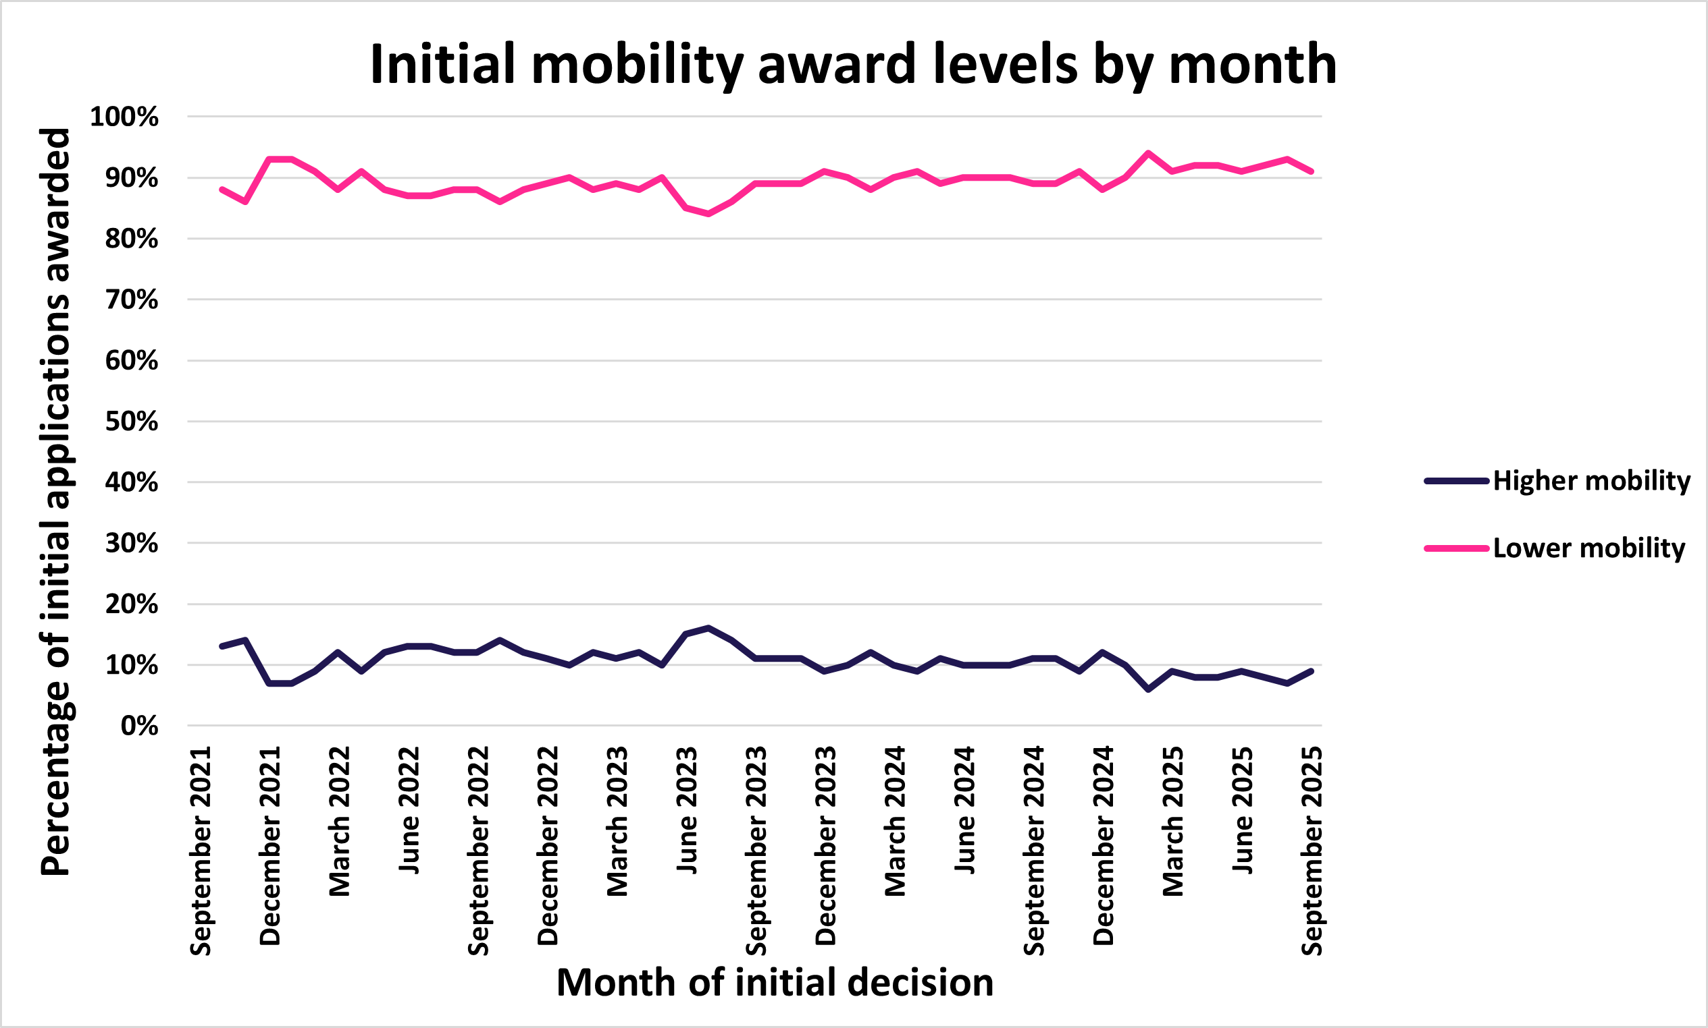

Chart 3
Chart 3: September 2025 caseload by age and type of client
This sheet contains one chart. Alternative text for this chart is located in cell A3.
Alternative Text: This chart summarises the number of people in receipt of Child Disability Payment in September 2025 by their age. There is one line for new applicants, and one for case transfers. There are two vertical lines at age 3 and age 5 to indicate the ages when children are eligible for higher and lower mobility awards.
The figures used in this chart are located in Table 17 of this workbook.

