Chart 1
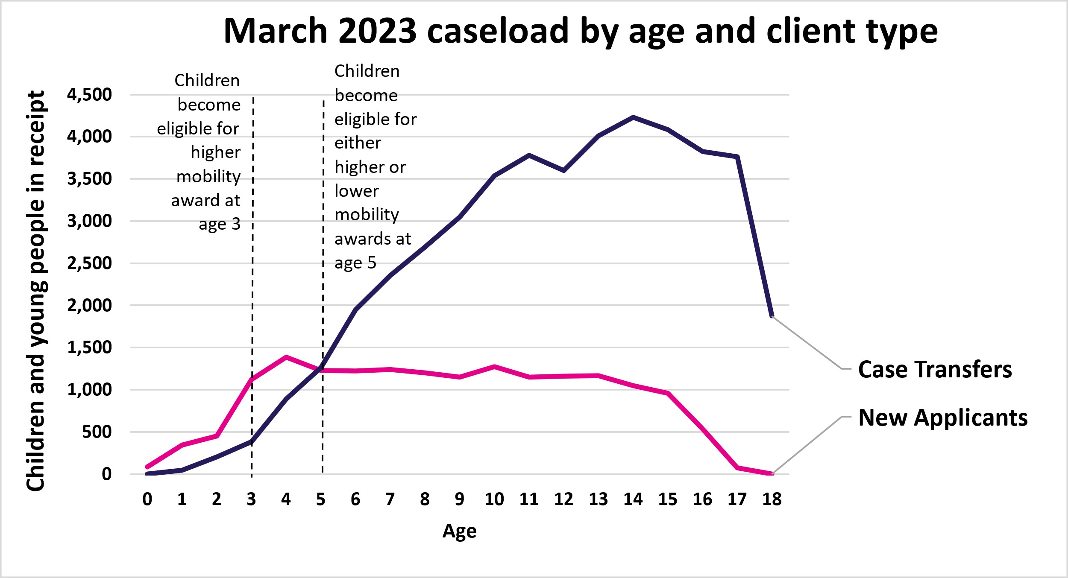
Chart 1: March 2023 caseload by age and client type
This sheet contains one chart. Alternative text for this chart is located in cell A3.
Alternative Text: This chart summarises the number of people in receipt of Child Disability Payment in March 2023 by their age. There is one line for new applicants, and one for case transfers. There are two vertical lines at age 3 and age 5 to indicate the ages when children are eligible for higher and lower mobility awards.
The figures used in this chart are located in Table 15 of this document.

Chart 2
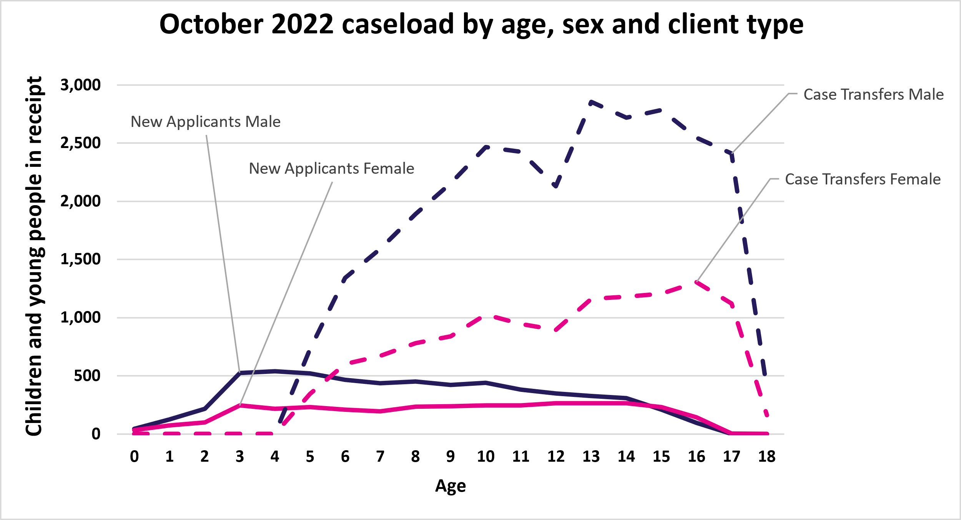
Chart 2: October 2022 caseload by age, sex and client type
This sheet contains one chart. Alternative text for this chart is located in cell A3.
Alternative Text: This chart summarises the number of people in receipt of Child Disability Payment in October 2022 by their age. There are two solid lines representing new applicants - male is purple, and female is pink. There are two dashed lines representing case transfers - male is purple, and female is pink.
The figures used in this chart are located in Table 16 of this document.

