Chart 1
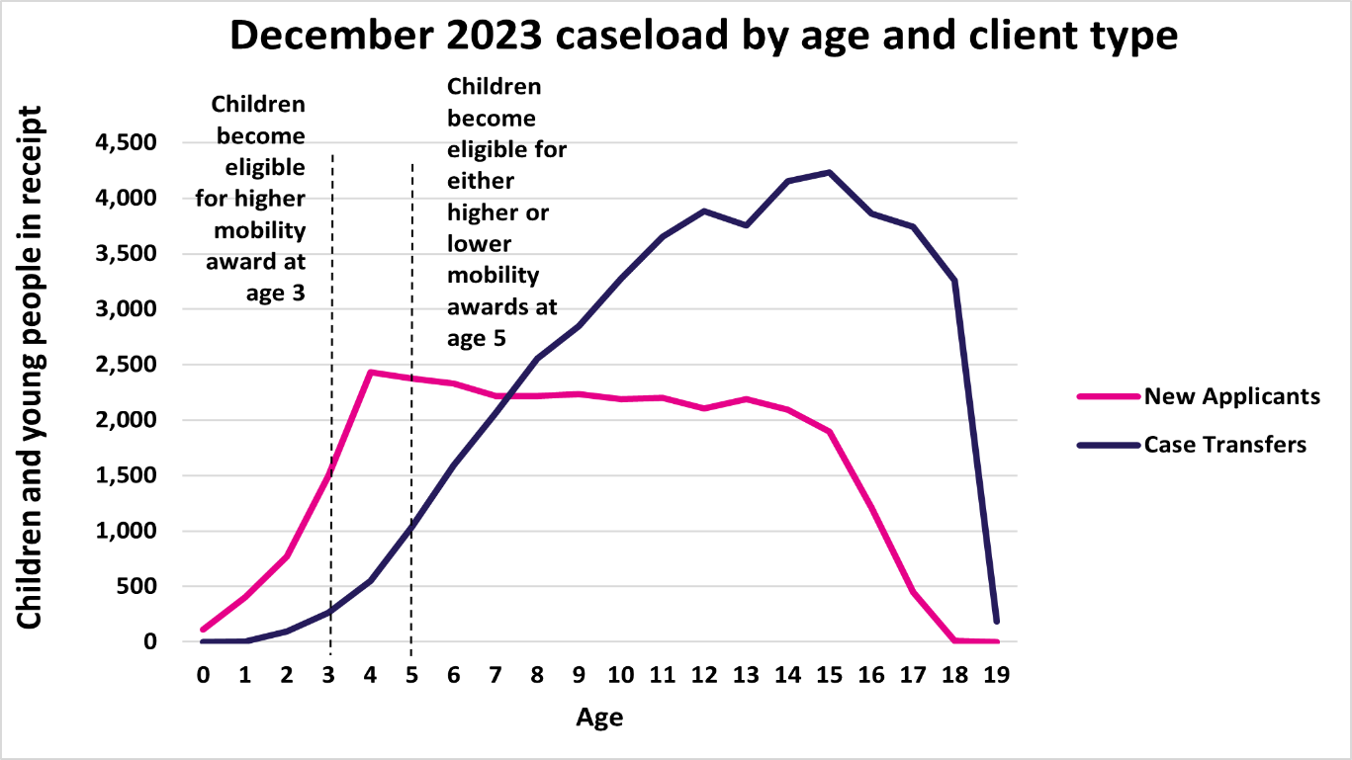
Chart 1: December 2023 caseload by age and client type
This sheet contains one chart. Alternative text for this chart is located in cell A3.
Alternative Text: This chart summarises the number of people in receipt of Child Disability Payment in December 2023 by their age. There is one line for new applicants, and one for case transfers. There are two vertical lines at age 3 and age 5 to indicate the ages when children are eligible for higher and lower mobility awards.
The figures used in this chart are located in Table 17 of this document.

