Chart 1
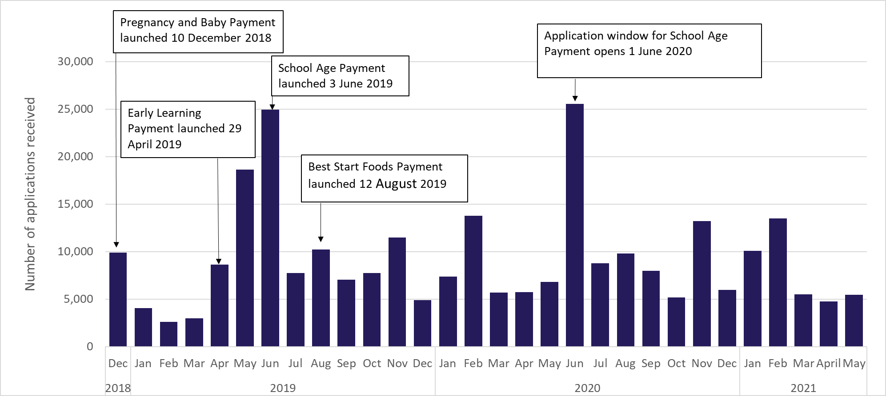
Chart 1: Applications for Best Start Grant and Best Start Food by month

Chart 2
Chart 2: Applications by Best Start Grant and Best Start Foods payment type
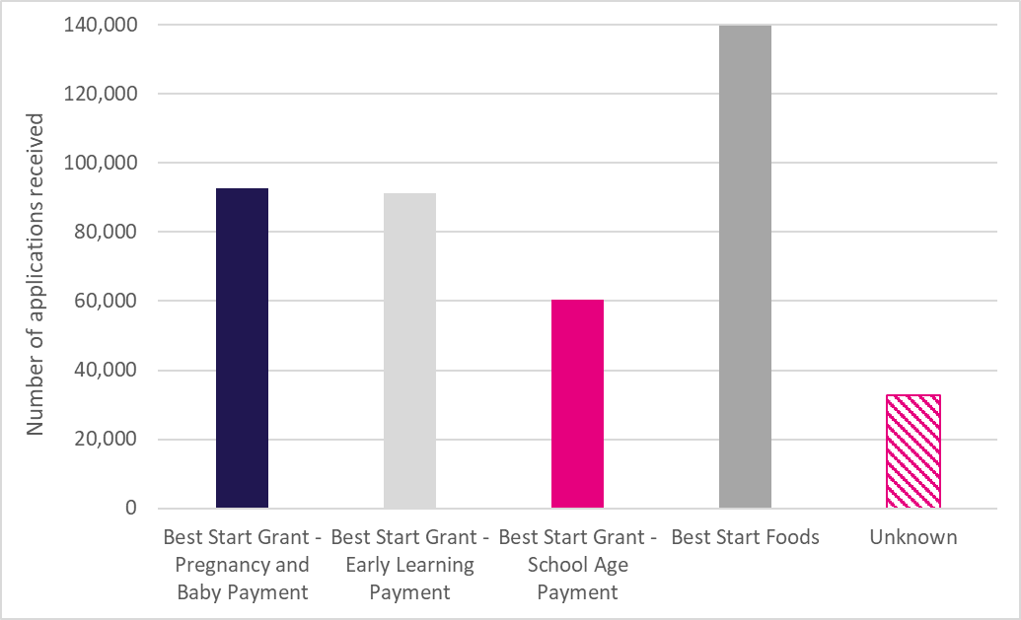

Figures are rounded for disclosure control and may not sum due to rounding.
Pregnancy and Baby Payment = Application form included baby details
Early Learning Payment / School Age Payment = Application form did not include baby details but did include details of other dependent children who are of eligible age for one of these payments.
Best Start Foods = Application form included details of expected children or of dependent children of eligible age for Best Start Foods

Chart 3
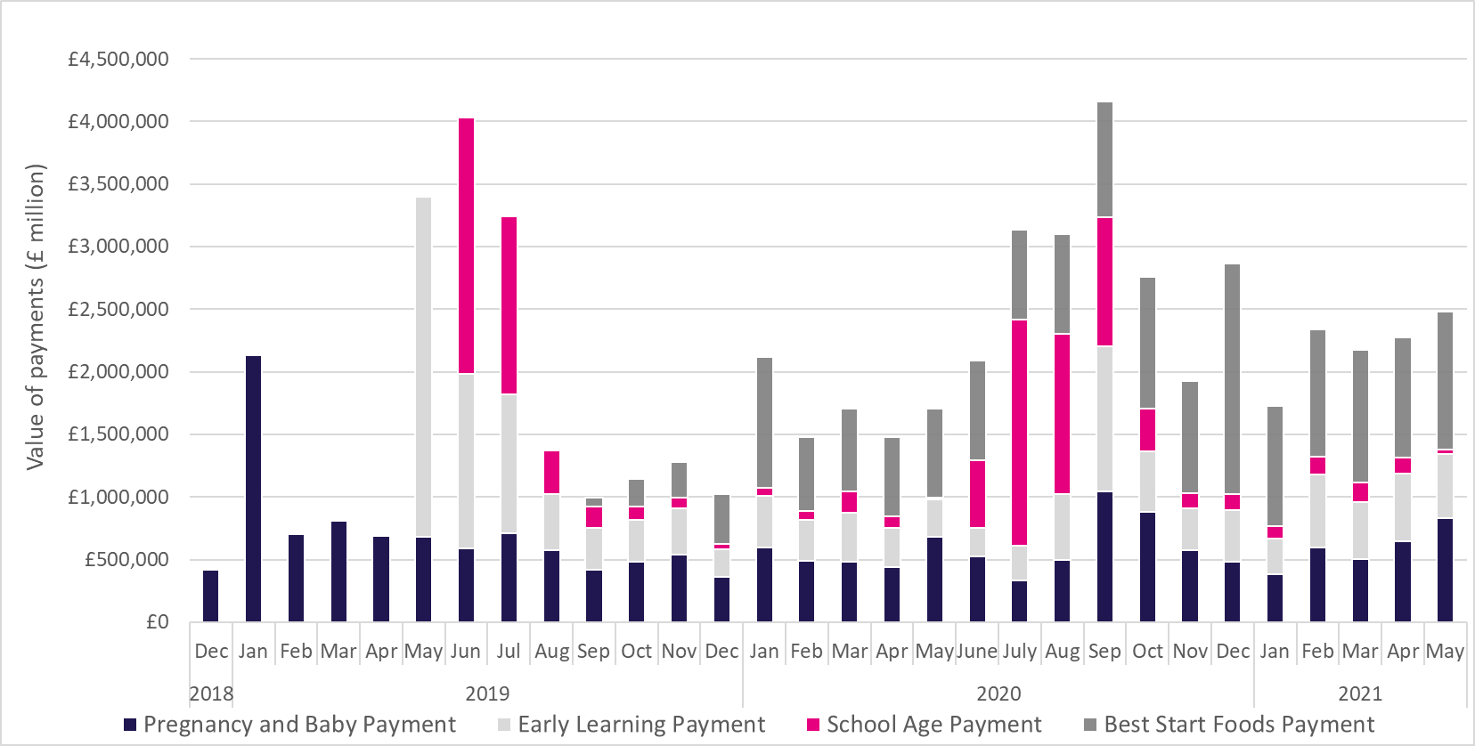
Chart 3: Payments by Best Start Grant and Best Start Foods payment type and month

