Chart 1 Applications by Month
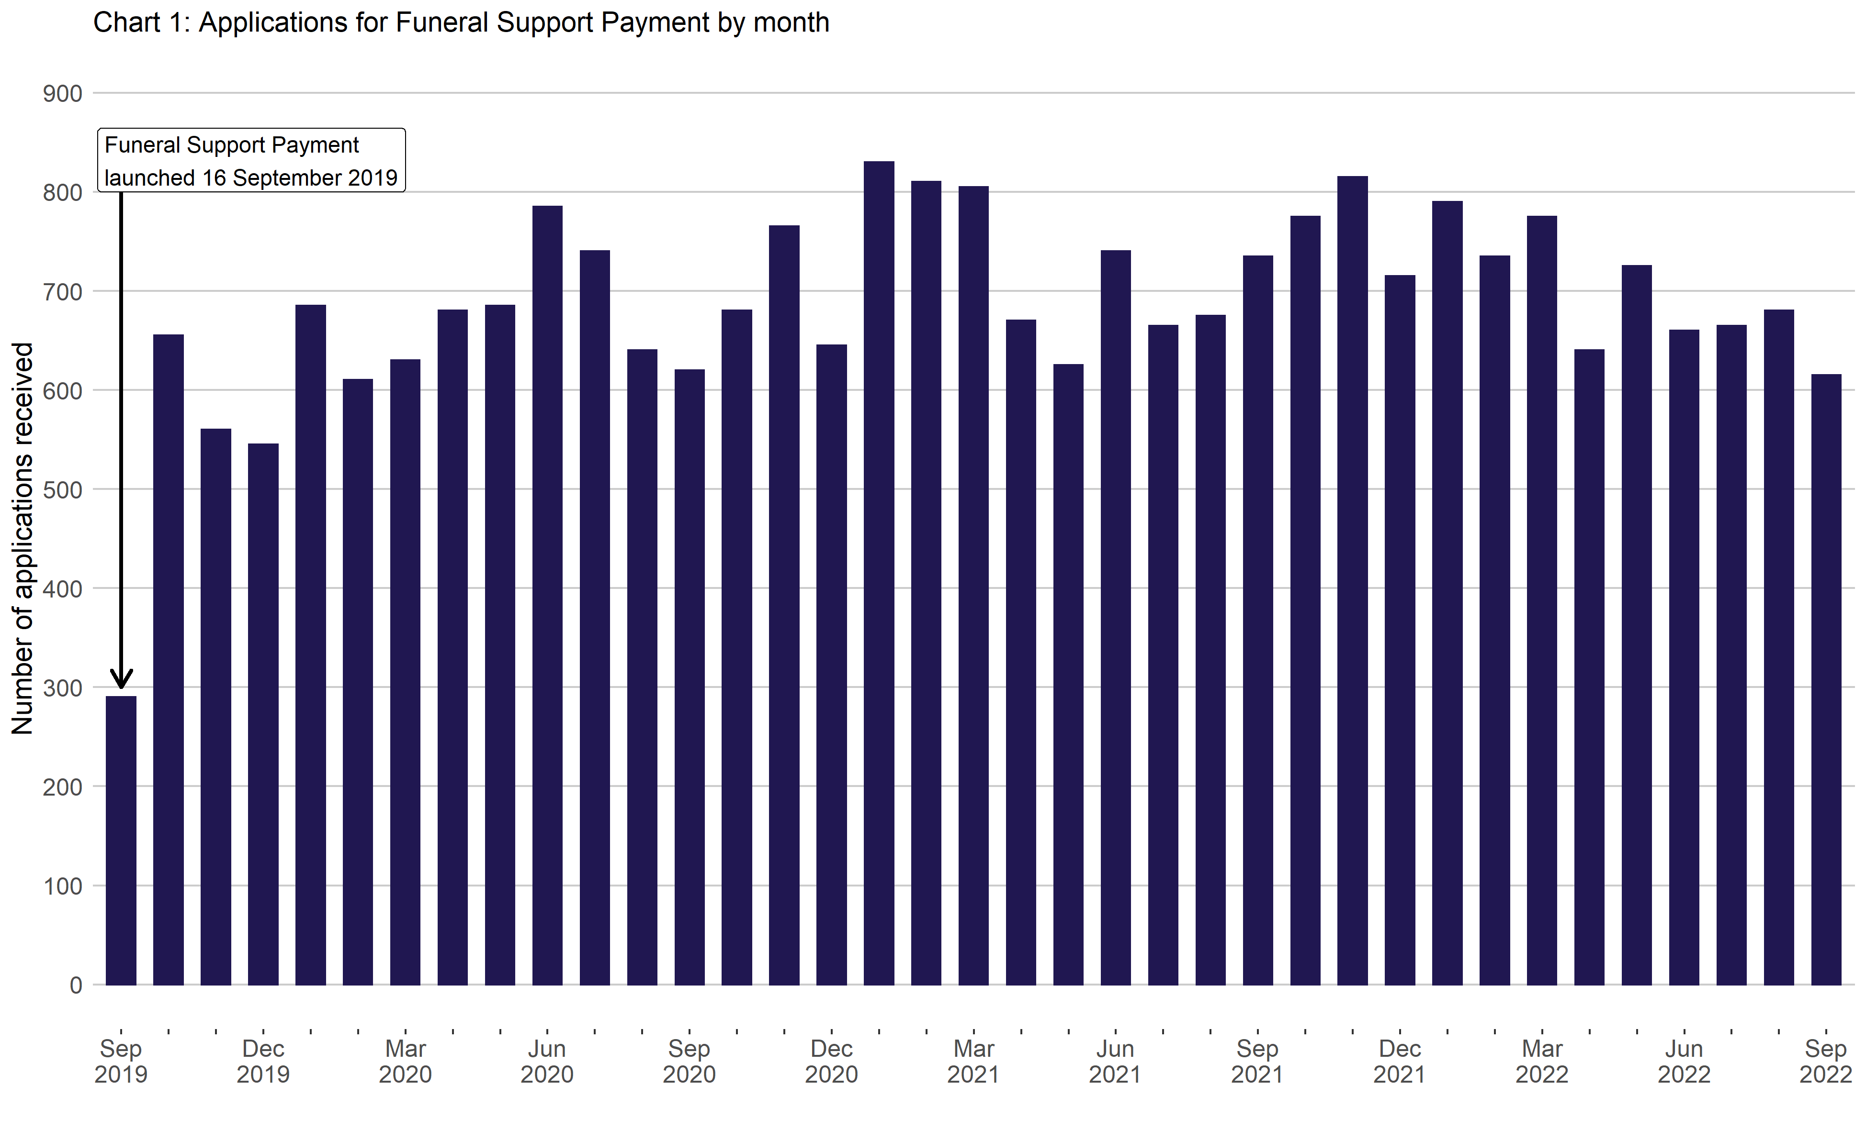
Chart 1: Applications for Funeral Support Payment by month
This worksheet contains one chart. Alternative text for this chart is located in cell A3.
Alternative Text: This chart summarises the number of applications received since the benefit launched on 16 September 2019. Vertical bars are used to show the number of applications for each month. The figures used in this chart are located in Table 1 of this document.

Chart 2 Payments to Recipients
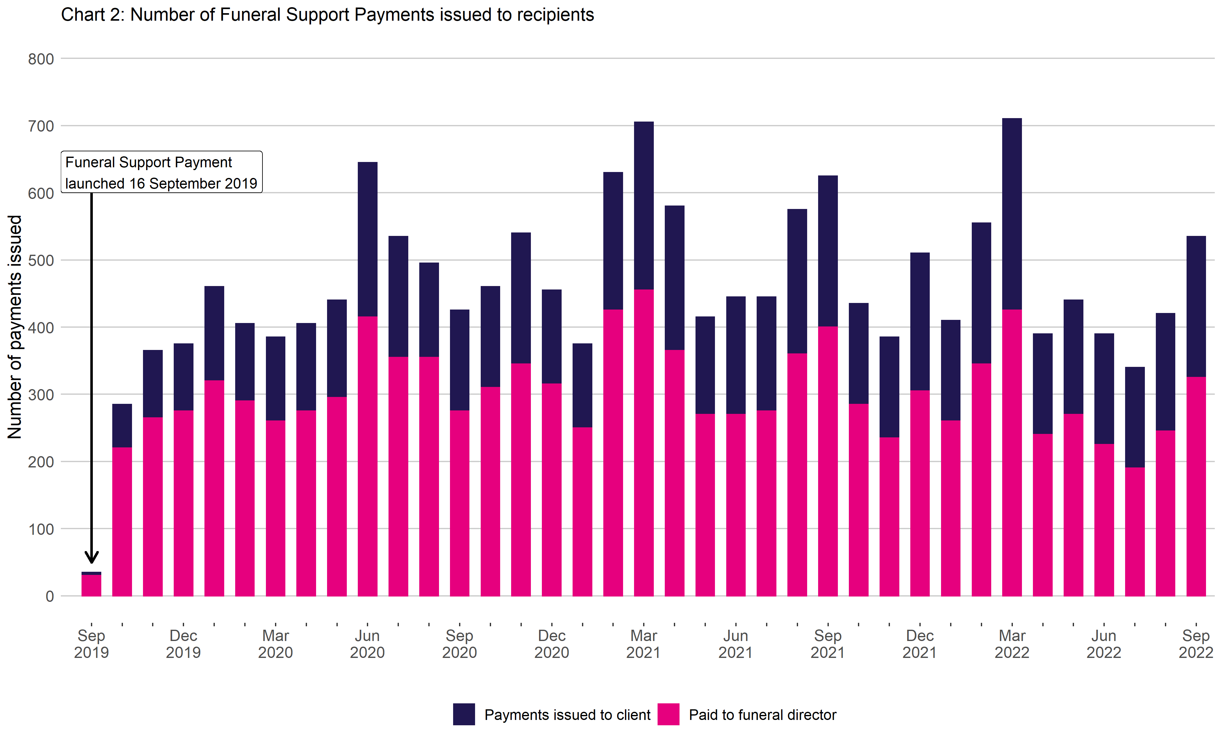
Chart 2: Number of Funeral Support Payments issued to recipients
This worksheet contains one chart. Alternative text for this chart is located in cell A3.
Alternative Text: This chart summarises the number of payments received since the benefit launched on 16 September 2019. Vertical bars are used to show the number of payments for each month. The bars are also split by payment recipient, showing the proportion of payments made to clients and the proportion made to funeral directors. The figures used in this chart are located in Table 6 of this document.

