Chart 1
Chart 1: Applications for Funeral Support Payment by month

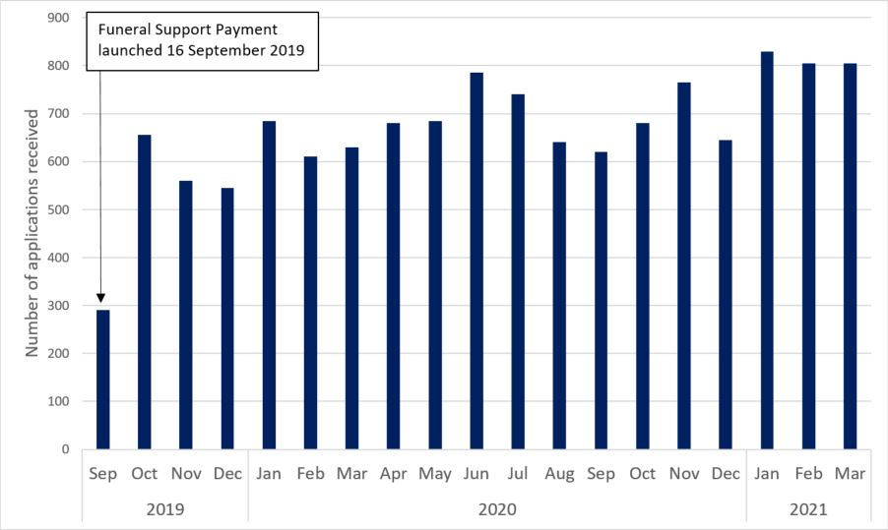

 | Sep
 | Oct
 | Nov
 | Dec
 | Jan
 | Feb
 | Mar
 | Apr
 | May
 | Jun
 | Jul
 | Aug
 | Sep
 | Oct
 | Nov | ↓
 | Dec

Chart 2
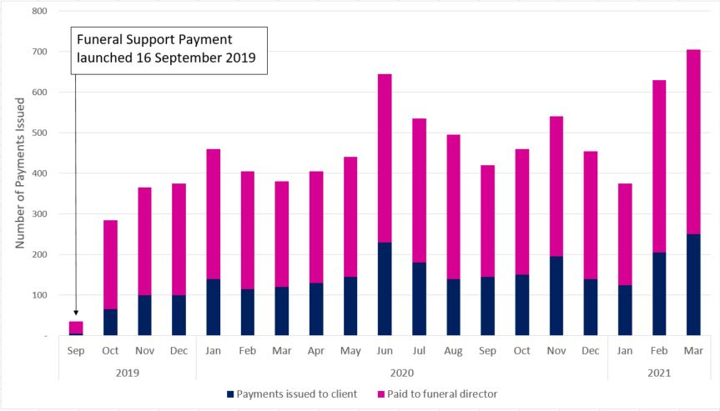
Chart 2: Number of Funeral Support Payments issued to recipients

