Chart 1 Applications by Month
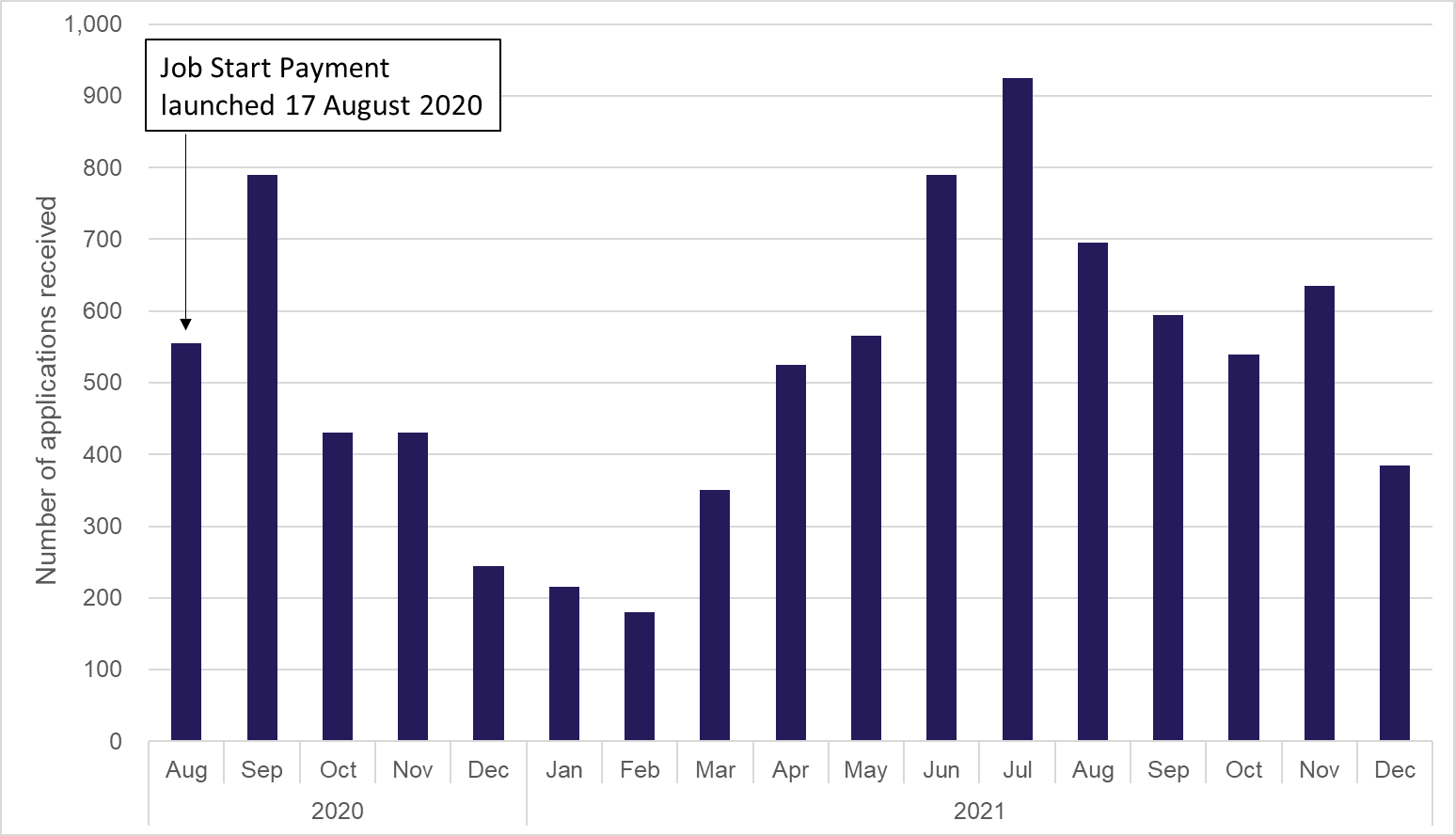
Chart 1: Applications for Job Start Payment by month

