Chart 1 Applications by month
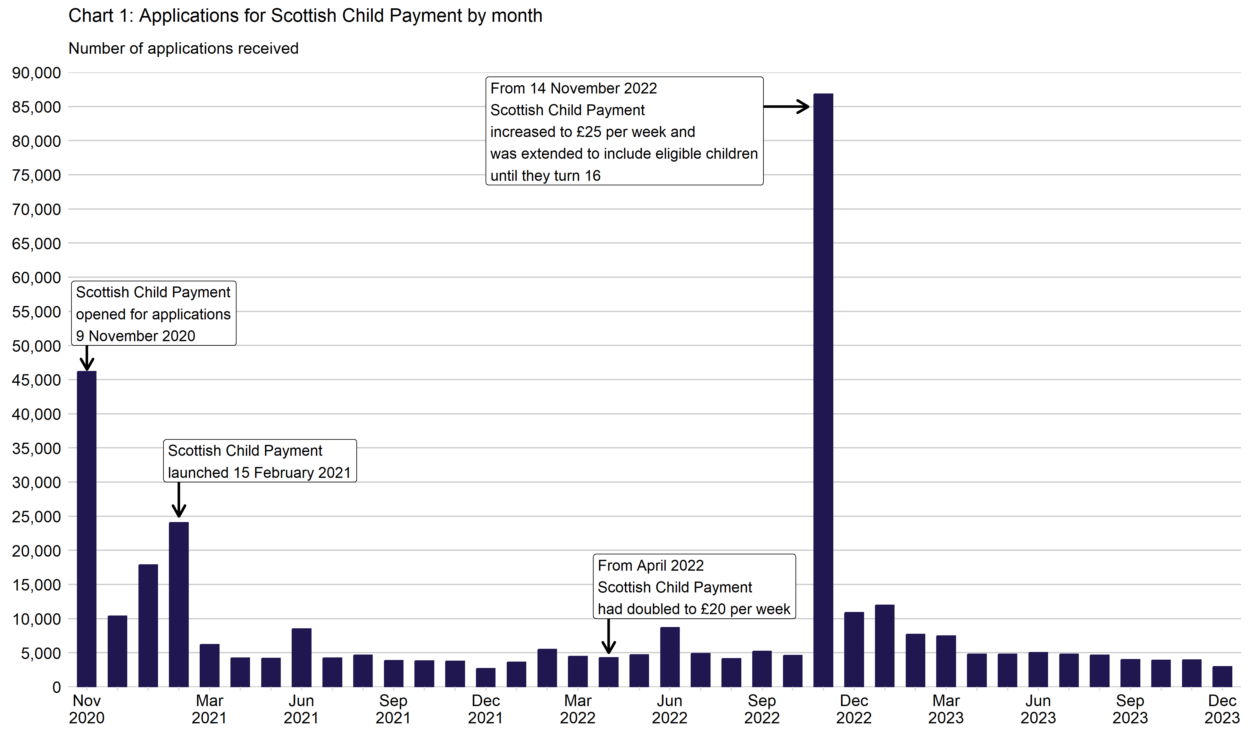
Chart 1: Applications for Scottish Child Payment by month
This worksheet contains one chart. Alternative text for this chart is located in cell A3.
Alternative Text: This chart summarises the number of applications received since the benefit opened for applications on 9th November 2020. Vertical bars are used to show the number of applications received for each month. The figures used in this chart are located in Table 1 of this document.

