Notes
Notes and definitions
Data sources and revisions
The data presented in this publication are taken from information held on the Scottish Government’s Human Resources (HR) system. This system is managed by the Scottish Government and is shared with Social Security Scotland and other Executive Agencies. Social Security Scotland also share the same terms and conditions of employment as the Scottish Government.
When staff are appointed to the Social Security Scotland, a record is created on the HR system for that person. This record contains a variety of information about the individual including: the type of employee or worker they are, working pattern, and any sickness absence accrued. A voluntary, self-service facility on the HR system also allows staff to update sections of their personal information, including diversity information, or adding diversity information not captured on their appointment. Records are also created for contingent workers on the HR system when they are engaged in any capacity for Social Security Scotland, however limited information is held in this record since the workers are not Social Security Scotland employees.
The HR system is an administrative database. As such, it is continually updated when workers join and leave Social Security Scotland and personal details change. As with any large scale administration system, it may be subject to errors with data entry and processing, and short delays in processing changes to the data. This publication presents a “snapshot” of the data as it appears on the HR system at the end of a quarter. Therefore there is a possibility that there may be out of date data or errors presented in this publication, as the “snapshot” may be taken at a point before records are updated or corrected.
There are no plans to revise any of the snapshots of data from previous quarters in future versions of this publication. Firstly, the number of erroneous records on the HR system will be small compared to the total number of records. Secondly it is difficult to discern whether changes in the data are real changes or are corrections of errors, particularly as changes to HR records can be made by a wide number of people: indeed, all staff members can update some fields of their personal records. If there are any significant changes in the data between quarters due to corrections of errors in the HR system, changes in recording practices, operational changes, etc. then these reasons will be given in the publication.
The first quarter of the year ends 31st March, the second ends 30th June, the third 30th September, and the last quarter December 31st. Quarterly updates to the data in this publication will be released on the Scottish Government’s website, with a link added to Social Security Scotland's website, approximately three months after the end of each quarter.
Sickness absence data (Average Working Days Lost) within this publication is calculated for a 12 month period. Therefore figures for the quarter ending June 2021 onward are based on data covering the period which COVID-19 was present in Scotland, whilst previous quarters will include data from before the Covid-19 pandemic.
Full time equivalent (FTE) numbers of directly employed staff
The full time equivalent (FTE) measure accounts for differences in working hours within Social Security Scotland, as part-time working or job-sharing is available to suit personal circumstances. The measure is given as a proportion of the number of hours worked in week compared to the working hours in a standard full-time working week. A full time member of staff works 37 hours a week and is assigned a FTE value of 1. A staff member that works half the number of hours a week of a full time member of staff (18.5 hours/week), would be assigned an FTE value of 0.5, and so forth.
Employee/worker categories
Permanent staff are directly employed staff with a permanent contract.
Permanent on paid maternity, adoption, or shared parental leave. Social Security Scotland allows 26 weeks of maternity or adoption leave on full pay. This can be shared by both partners as Shared Parental Leave.
Permanent on outward secondment. Some permanent staff go on outward secondment or loan to other organisations such as other government departments (including local and UK government), health, and the private sector. The purpose of these secondments is to provide our staff with opportunities to develop in areas such as improved quality of policy making, operational and people management, leadership, project management etc.; give them a more outward-looking and broader skills base, through exposure to innovation and creativity; and increase their knowledge of, and improve their links with host organisations whilst sharing good practice.
Fixed Term Appointment (with competition) are staff recruited to Social Security Scotland and selected on merit through a fair and open competition, on a contract with no end date to fill a temporary post. They may apply for permanent internally advertised vacancies and so they are classified as permanent staff.
Fixed Term Appointment (without competition) are staff recruited to Social Security Scotland without fair and open competition where either the urgency of the need or short duration of the role make a full competition impracticable or disproportionate. These are for a fixed period which is agreed at the outset and must only be used for a specific task or related tasks (e.g. a particular project) that cannot be completed with existing resources. Fixed Term Appointments cannot be used for an undefined period or for regular, every day work normally undertaken by the business area. All Fixed Term Appointments must be reported to the Civil Service Commission as part of a regular compliance statement and the use of exceptions may be subject to audit.
Fixed term student placements. These placements are offered by Social Security Scotland to give students an opportunity to gain work experience and knowledge of the government. In turn these placements are a route for attracting new talent, as some of these students may apply for permanent positions when they finish their courses.
Modern apprentices are staff employed on the Social Security Scotland's Modern Apprenticeship scheme. Although Modern Apprentices are first employed on a fixed term contract when they are on the scheme, it is expected that they will become permanent employees on successful completion of the programme, satisfying the applicable performance and attendance criteria, and passing a competitive selection interview.
Contingent workers are non-directly employed workers that are engaged in any capacity for Social Security Scotland, such as contractors, inward secondments, and temporary agency workers.
Consultants are specialist temporary workers brought in through a specific procurement exercise for a discrete piece of work not covering an on-going role or 'business as usual' activity. They are often engaged as a team rather than on an individual time hire basis. Payments are in arrears on delivery of agreed output.
Contractors are temporary workers, typically brought in under a service contract which has been let to an organisation to deliver a specific product.
UK Fast Stream are staff assigned to Social Security Scotland from the Civil Service Fast Stream Programme. These are non-directly employed staff as they are paid via the UK Government and can be moved from Social Security Scotland or Scottish Government to another part of the Civil Service as part of their prescribed development programme. This programme began in the Scottish Government in 2015. The Scottish Government also runs its own graduate entry programme and these workers are classified under Permanent directly employed staff (Table 1).
Interim managers are temporary workers covering management or specialist roles on temporary projects, through a procured framework.
Inward secondments are non-directly employed workers that are seconded on short term contracts from other organisations, such as the private sector or local government. Social Security Scotland benefits from inward secondments by filling skills gaps, sharing people and practice and developing partnership working with stakeholders.
Social Security Scotland offers a ranges of temporary short-term youth employment initiatives to help prepare young people for the world of work. These include placements for students in Further / Higher / Post-grad Education on a formal (for example, part of course requirements) or informal (self-organised) basis. The students may be paid a stipend, rather than being paid directly by the Social Security Scotland hence why they are not included under Fixed Term Student Placements in Table 1.
Temporary agency workers are procured through a framework contract to fill generalist (especially administrative) posts.
Other contingent workers are temporary workers that do not fit in any of the categories.
Sickness absence of directly employed staff
There are two methods of measuring sickness absence that are used in Table 3, which are average working days lost per staff year (AWDL), and percentage of working days lost. Sickness absences are measured across a rolling year to reduce the effect of seasonal variation in the data caused by seasonal illnesses, such as influenza. However, a particularly virulent illness that caused a large number of absences in a particular quarter would show as raised sickness levels in each of the 12 month periods that contained this quarter.
Average working days lost per staff year (AWDL) is the total number of working days lost, divided by the number of staff years. Only working days are counted, so calculations exclude weekends and public and privilege holidays from the period of sickness. A staff year takes into account part-time working and if a member of staff only worked part of a year. A full time member of staff in post for the whole year period is assigned a staff year of 1. If a part-time member of staff works half of the number of hours in a standard 37 hour week, their staff year would be 0.5. If that member of staff only worked half of the year period, for example, they were recruited part way through the period, then their staff year would be halved further, to give a staff year of 0.25.
The all absences average working days lost is the average working days lost per staff year for all sickness absences, including both long and short term spells of absences (Table 3). A weighting is applied to spells over 125 working days to account for annual leave not taken, and is subtracted, pro rata, from the number of days off sick. This assumes a working year of 225 days (unless a leap year) for full time staff employed for the full year period.
The short term average working days lost is the average working days lost per staff year for spells of sickness absences of 20 days or less (Table 3).
The long term average working days lost is the average working days lost per staff year for spells of sickness absences of more than 20 days (Table 3). A weighting is applied to spells over 125 working days to account for annual leave not taken.
The percentage of working days lost is the percentage of the total number of working days lost due to sickness absences for all directly employed staff, out of the total working days available during the year for all directly employed staff. As with Average working days lost, this takes working patterns into account. A part time member of staff that works half the hours of standard 37 hour week, is available for half of the working days of a full time member of staff in a year period. The percentage of working days is a different way of expressing the same sickness data as the Average working days lost.
Diversity data for directly employed staff
Tables 4 to 10 present diversity data for directly employed staff. Social Security Scotland collects information on the diversity of its directly employed staff. Age/date of birth and sex are required to be collected for legislative purposes for use by the Scottish Government’s payroll system and HM Revenue and Customs, and also for baseline security clearance. Information on other protected characteristics of staff are used for diversity monitoring, and are voluntarily provided by staff: either via diversity monitoring forms on recruitment, or by using a self-service section on the HR system.
Diversity information on non-directly employed staff is not collected and held by the Social Security Scotland, although personal details will be collected by the employers of these workers such as the employment agencies.
Location
Table 11 contains working location information as recorded on the Scottish Government's HR system. This information is not subject to disclosure control as it is not sensitive information relating to the characteristics of staff.
Prior to December 2021, staff recorded as located in Dundee House and Caledonian House were reported as being Dundee based. From December 2021, this definition was widened to include staff recorded as being located in Agnes Husband House, Endeavour House and Enterprise House. As we do not revise any of the snapshots of data from previous quarters , it is possible that a small number of staff previously recorded as being located in either Enterprise House or Endeavour House were included within the 'Other' location headcount figures for those time periods.
Working Hours
Table 12 provides a breakdown of directly employed staff by working pattern. Staff with a full-time equivalent value of 1 are classified as full-time while staff with a full time equivalent value of less than 1 are classified as part-time.

C1. FTE Directly Employed
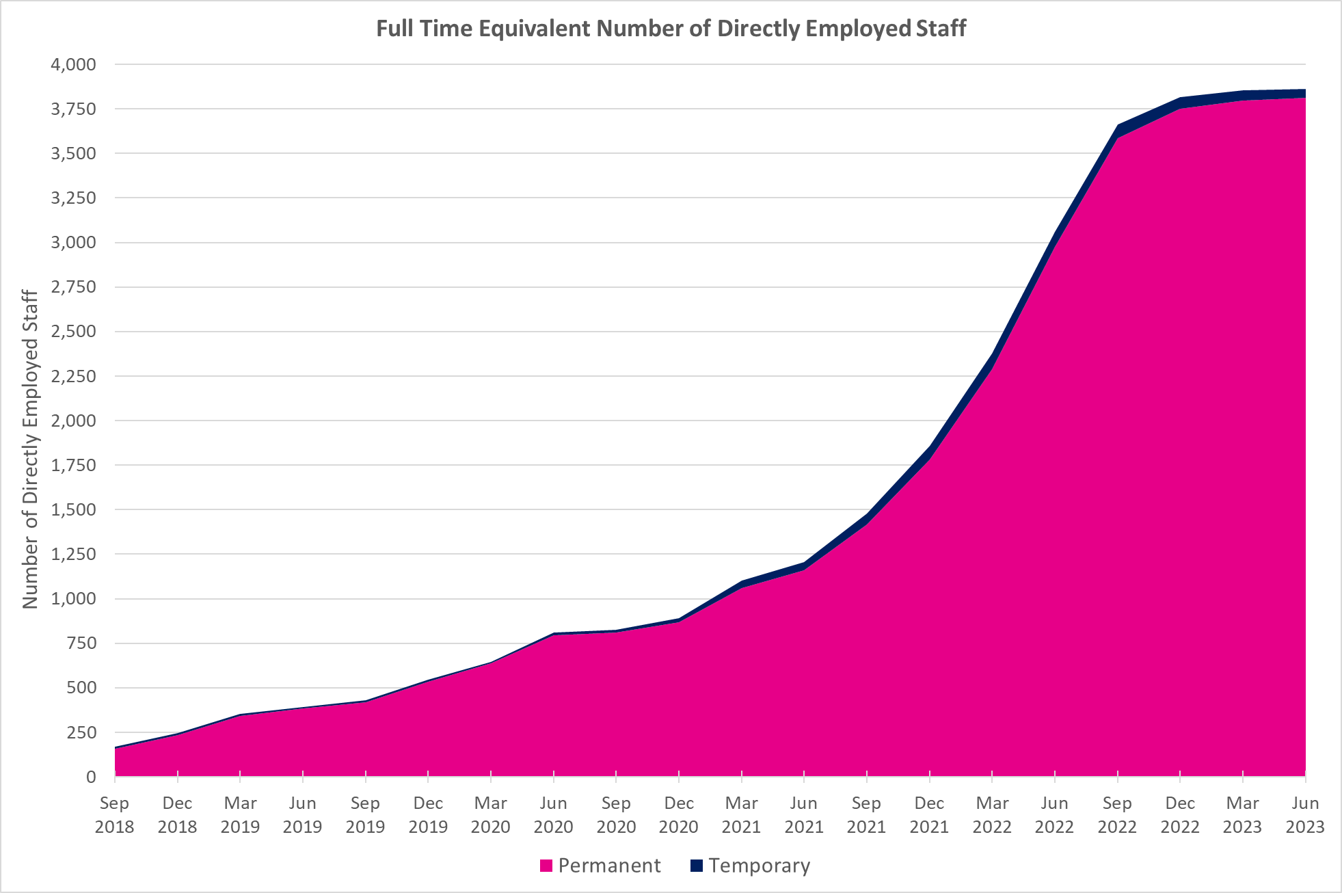
Chart 1: Full time equivalent number of directly employed staff
This worksheet contains one chart. Alternative text for this chart is located in cell A3.
Alternative Text: This chart summarises the Full Time Equivalent number of directly employed staff for each quarterly period from September 2018 to June 2023. The number of permanent and temporary staff are also shown in this chart. The figures used in this chart are located in Table 1 of this document.

CC1. HC Directly Employed
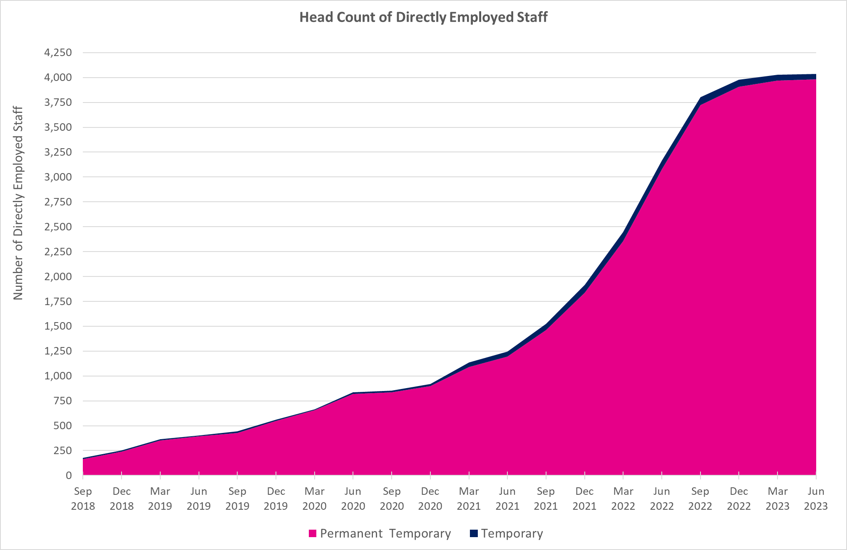
Chart C1: Head count of directly employed staff
This worksheet contains one chart. Alternative text for this chart is located in cell A3.
Alternative Text: This chart shows the Head Count of directly employed staff in each quarterly period from September 2018 to June 2023. The number of permanent and temporary staff are also shown in this chart. The figures used in this chart are located in Table C1 of this document.

C2. HC Contingent Workers
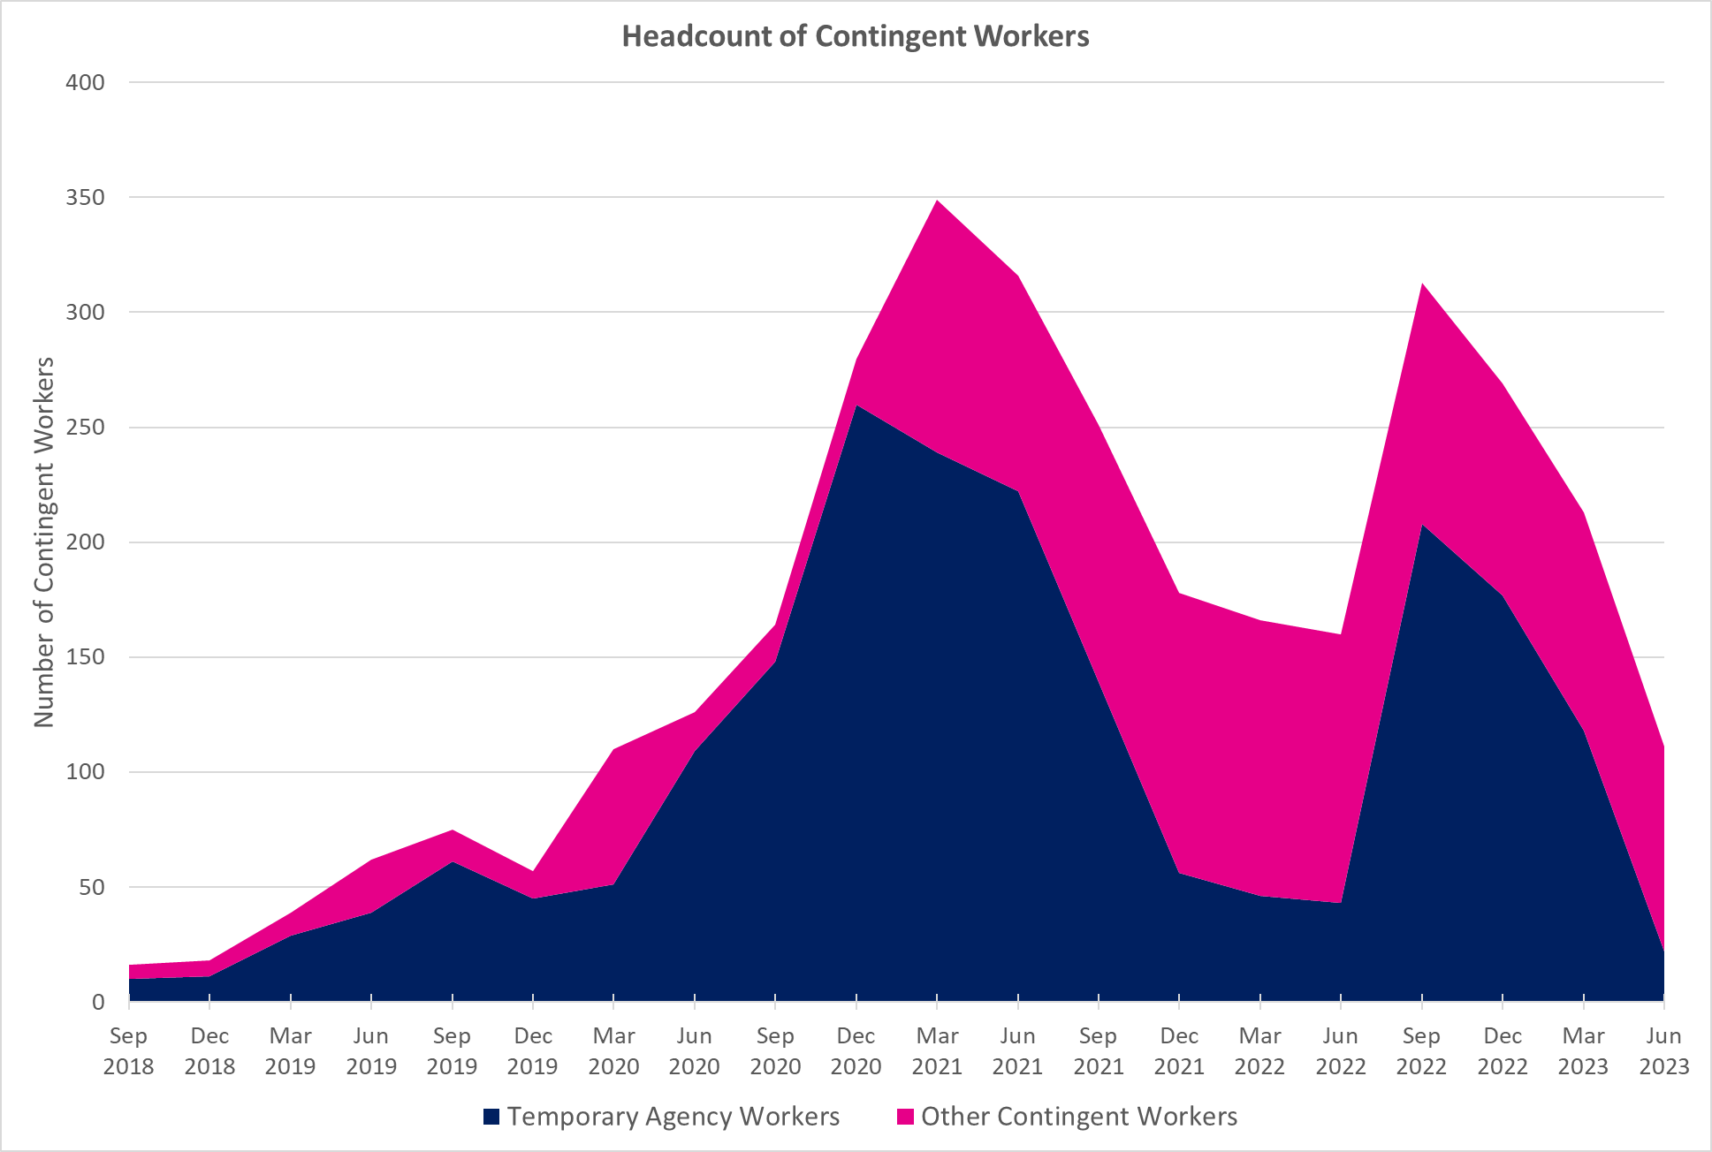
Chart 2: Headcount of contingent workers
This worksheet contains one chart. Alternative text for this chart is located in cell A3.
Alternative Text: This chart shows the Head Count of Contingent workers in each quarterly period from September 2018 to June 2023. The split between Temporary Agency wokrers and Other contingent workers is also shown in this chart. The figures used in this chart are located in Table 2 of this document.

C3. Sickness Absence
Chart 3: Sickness absence of directly employed staff
This worksheet contains one chart. Alternative text for this chart is located in cell A3.
Alternative Text: This chart shows the Average Number of working days lost due to sickness in each quarterly period from September 2018 to June 2023. Separate lines are given to show the trend for long-term absences, short-term absences and all absences. The figures used in this chart are located in Table 3 of this document.
Sickness Absence: Average number of working days lost
 | Short Term | Long Term | All Absences
Sep 2018 | 3.4 | 3.7 | 7.2
Dec 2018 | 3.2 | 3.6 | 6.8
Mar 2019 | 3.8 | 3.2 | 7
Jun 2019 | 3.7 | 3.3 | 7.1
Sep 2019 | 3.9 | 3.2 | 7
Dec 2019 | 3.9 | 2.9 | 6.9
Mar 2020 | 4.1 | 2.9 | 7.1
Jun 2020 | 3.7 | 2.3 | 6
Sep 2020 | 3.2 | 2.2 | 5.3
Dec 2020 | 2.8 | 2.8 | 5.6
Mar 2021 | 2.3 | 2.6 | 4.9
Jun 2021 | 2.3 | 2.7 | 5
Sep 2021 | 2.7 | 2.7 | 5.4
Dec 2021 | 2.9 | 2.6 | 5.5
Mar 2022 | 3.5 | 2.5 | 6
Jun 2022 | 3.4 | 2.4 | 5.8
Sep 2022 | 3.2 | 2.3 | 5.5
Dec 2022 | 3.4 | 2.4 | 5.9
Mar 2023 | 3.6 | 2.8 | 6.4
Jun 2023 | 3.5 | 3.4 | 7

C4. Age
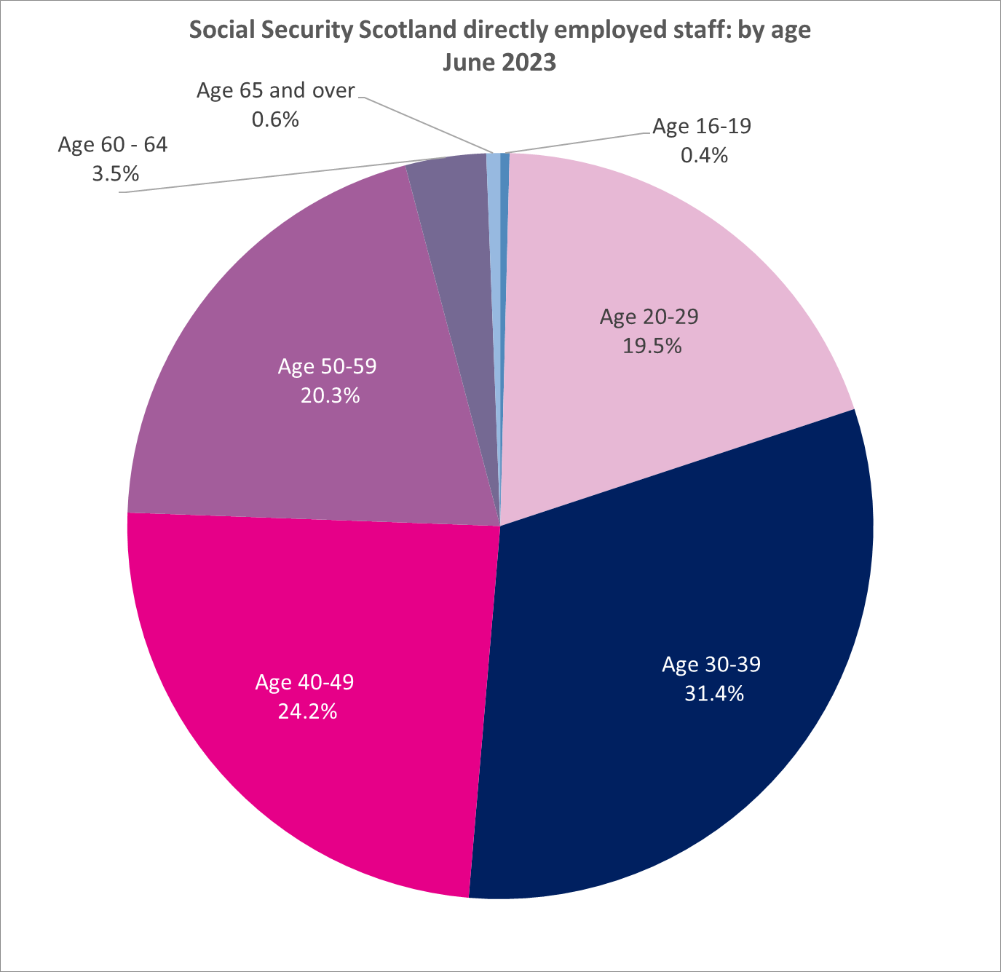
Chart 4: Social Security Scotland directly employed staff: by Age
This worksheet contains one chart. Alternative text for this chart is located in cell A3.
Alternative Text: This pie chart shows the proportion of directly employed Social Security Scotland staff in each age group in June 2023. The figures used in this chart are located in Table 4 of this document.

C5. Disability
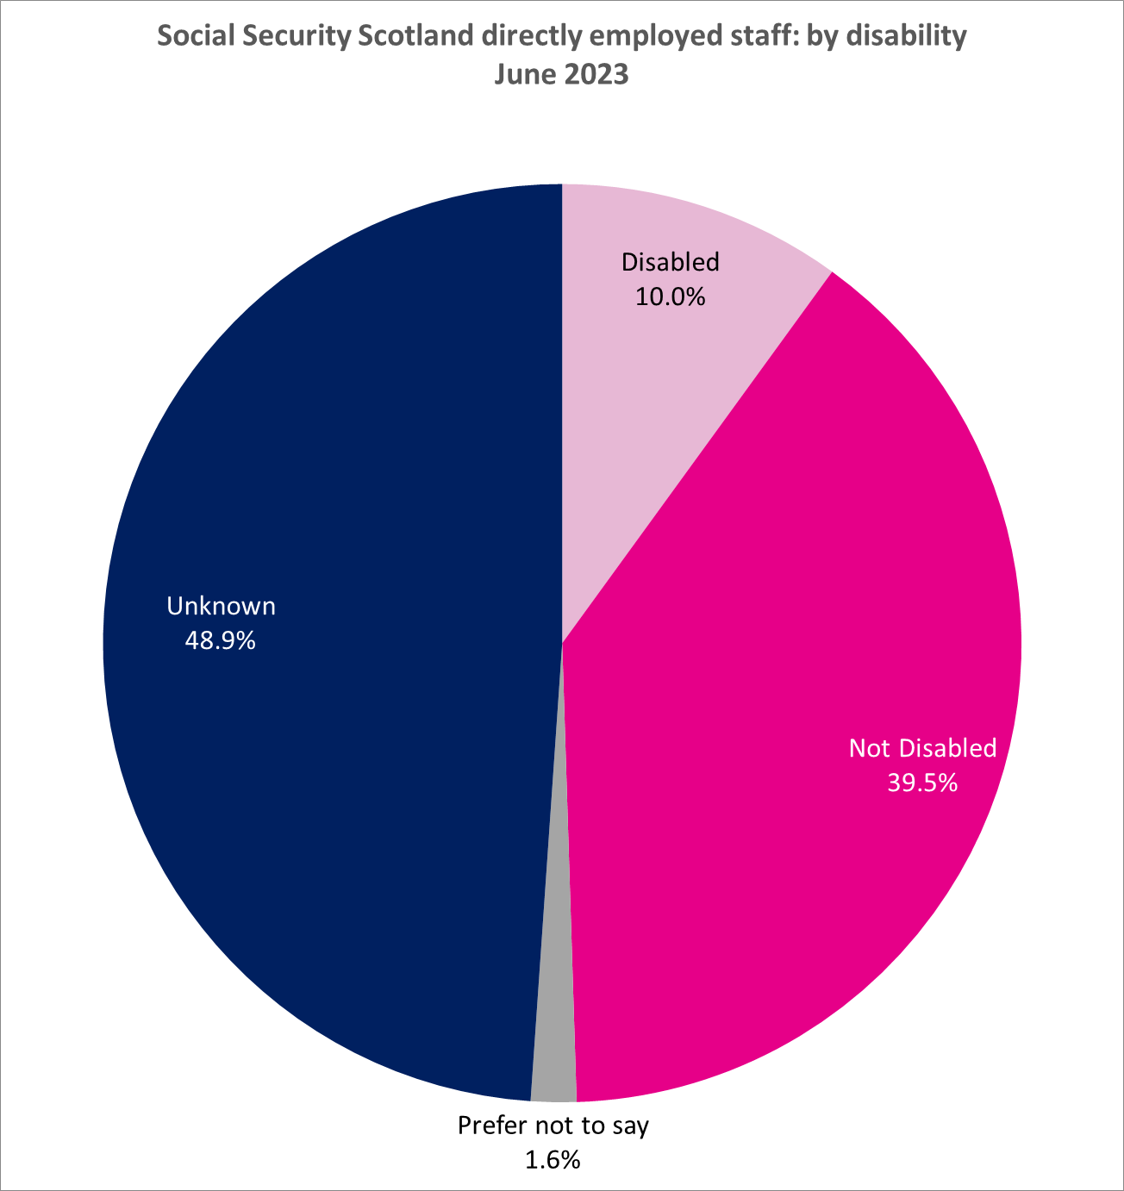
Chart 5: Social Security Scotland directly employed staff: by Disability
This worksheet contains one chart. Alternative text for this chart is located in cell A3.
Alternative Text: This pie chart summarises the proportion of directly employed Social Security Scotland staff by Disability category in June 2023. The figures used in this chart are located in Table 5 of this document.

C6. Ethnicity
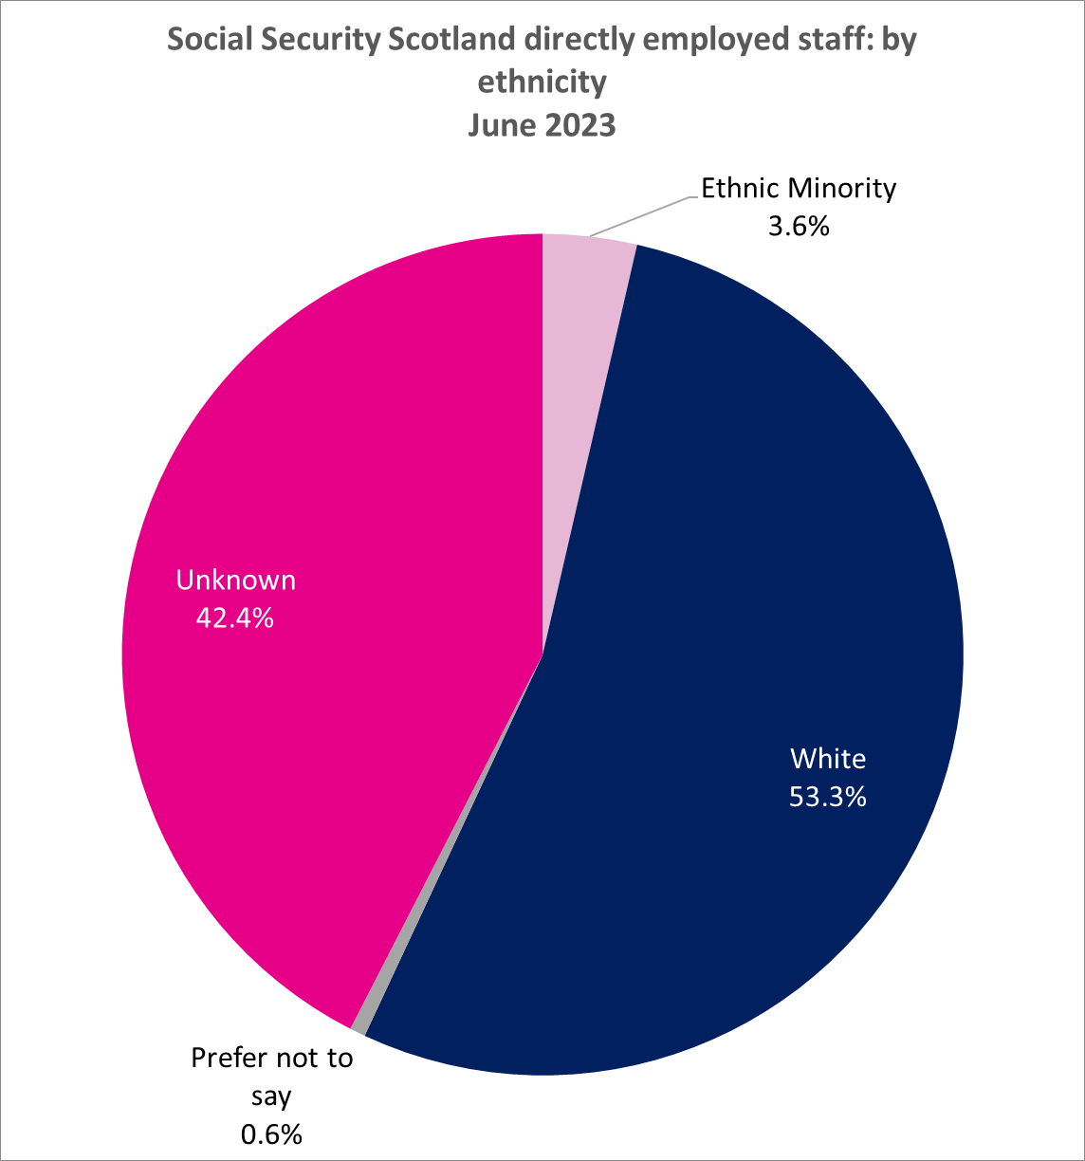
Chart 6: Social Security Scotland directly employed staff: by Ethnicity
This worksheet contains one chart. Alternative text for this chart is located in cell A3.
Alternative Text: This pie chart summarises the proportion of directly employed Social Security Scotland staff by Ethnicity category in June 2023. The figures used in this chart are located in Table 6 of this document.

C7. Sex
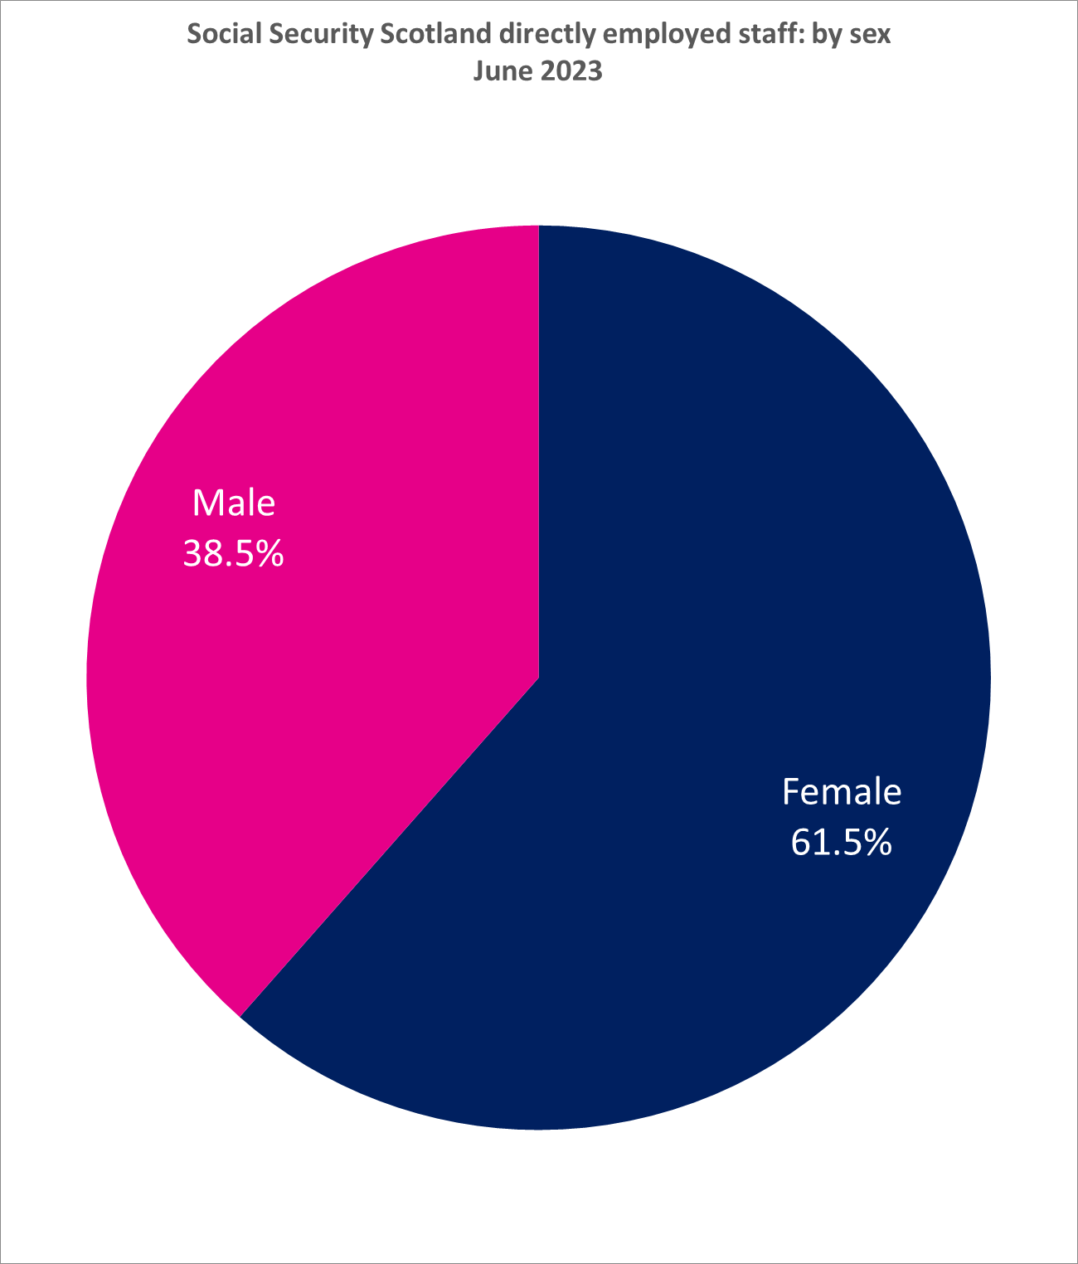
Chart 7: Social Security Scotland directly employed staff: by sex
This worksheet contains one chart. Alternative text for this chart is located in cell A3.
Alternative Text: This pie chart summarises the proportion of directly employed Social Security Scotland staff by Sex in June 2023. The figures used in this chart are located in Table 7 of this document.

C8. Marital civil p-ship status
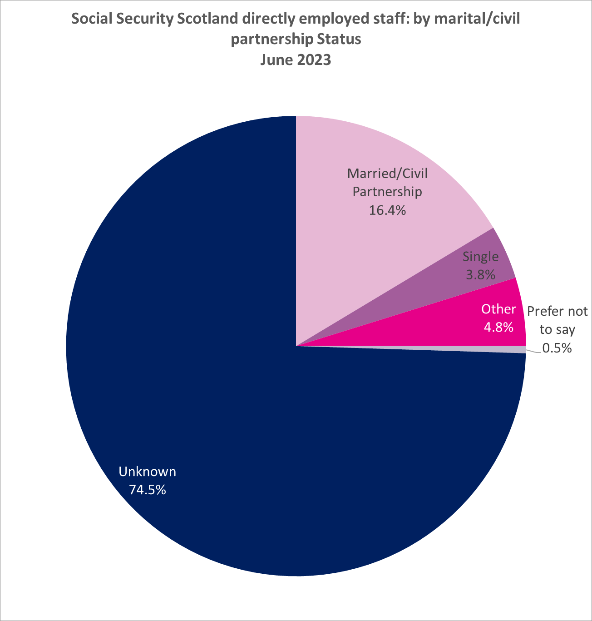
Chart 8: Social Security Scotland directly employed staff: by Marital/Civil Partnership Status
This worksheet contains one chart. Alternative text for this chart is located in cell A3.
Alternative Text: This pie chart summarises the proportion of directly employed Social Security Scotland staff by Marital/Civil Partnership Status in June 2023. The figures used in this chart are located in Table 8 of this document.

C9. Religion or Belief
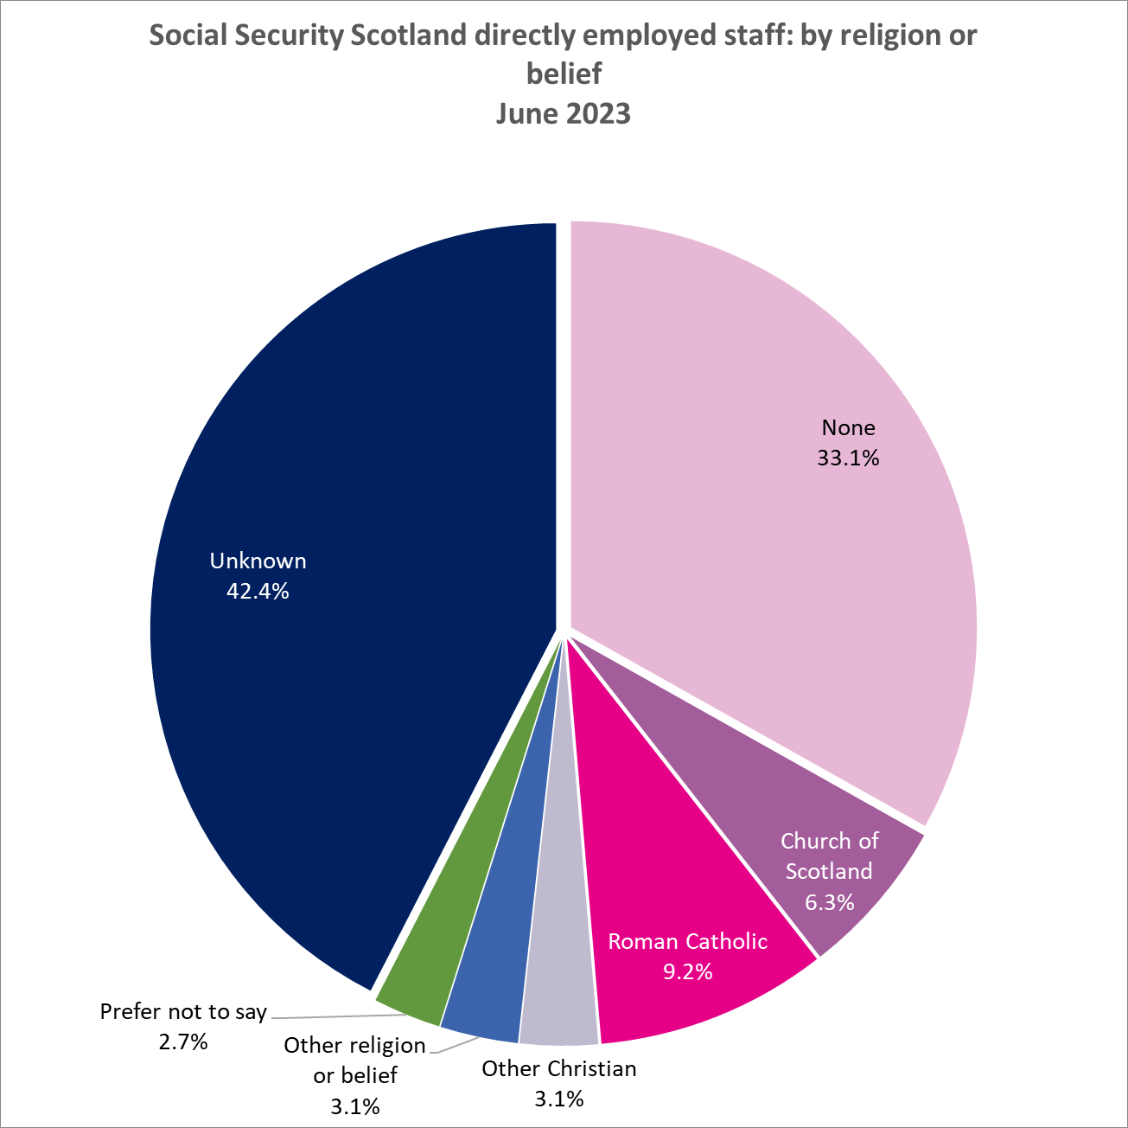
Chart 9: Social Security Scotland directly employed staff: by religion or belief
This worksheet contains one chart. Alternative text for this chart is located in cell A3.
Alternative Text: This pie chart summarises the proportion of directly employed Social Security Scotland staff by Religion or Belief in June 2023. The figures used in this chart are located in Table 9 of this document.

C10. Sexual orientation
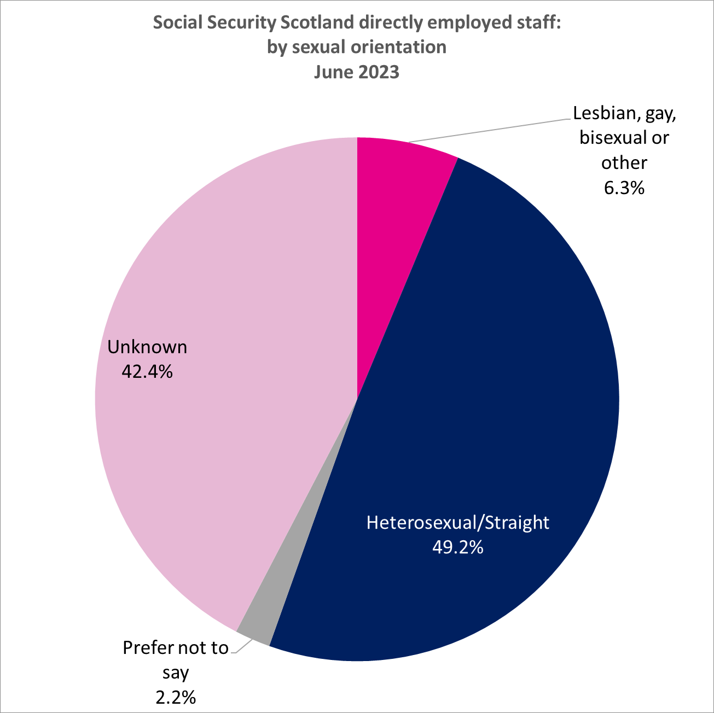
Chart 10: Social Security Scotland directly employed staff: by sexual orientation
This worksheet contains one chart. Alternative text for this chart is located in cell A3.
Alternative Text: This pie chart summarises the proportion of directly employed Social Security Scotland staff by Sexual Orientation in June 2023. The figures used in this chart are located in Table 10 of this document.

C11. Location
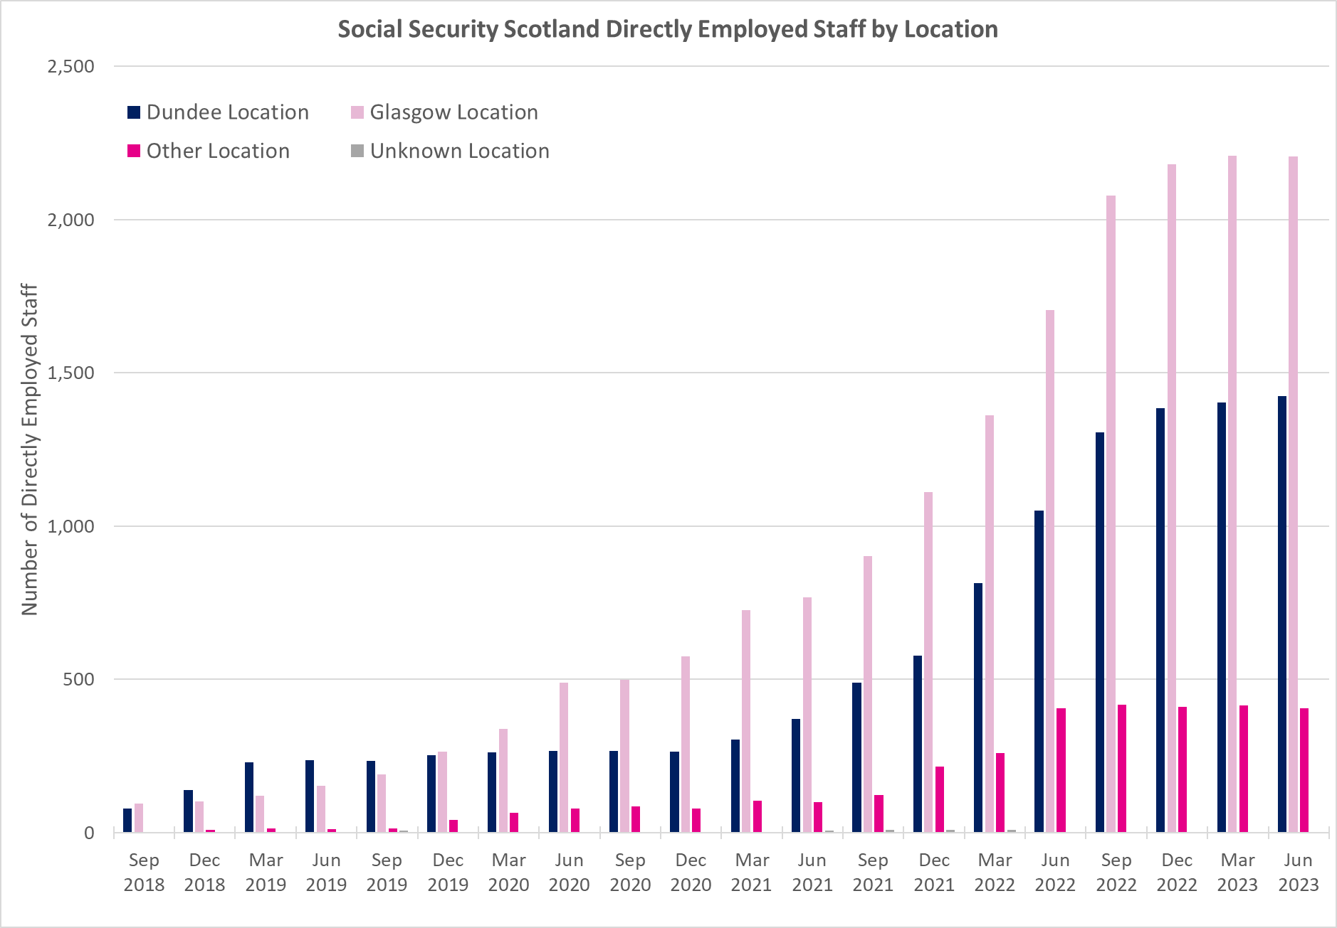
Chart 11: Social Security Scotland directly employed staff: by Location
This worksheet contains one chart. Alternative text for this chart is located in cell A3.
Alternative Text: This bar chart shows the number of directly employed Social Security Scotland staff by Location in June 2023. The figures used in this chart are located in Table 11 of this document.

C12. Working Pattern
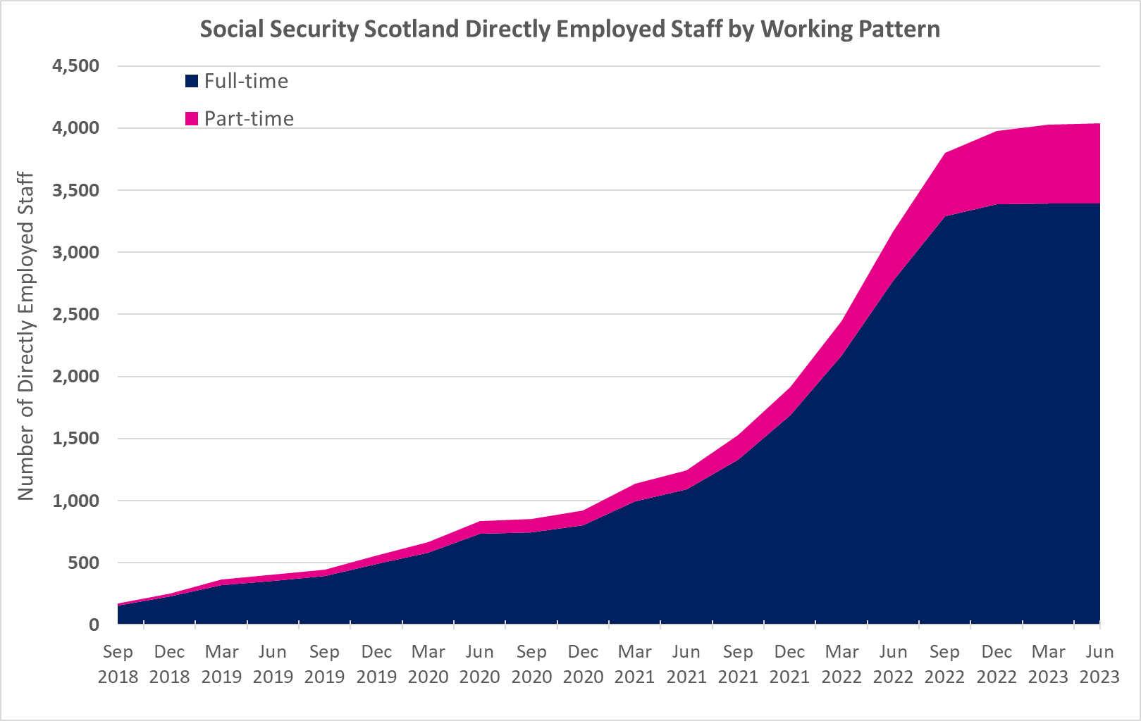
Chart 12: Social Security Scotland directly employed staff: by working pattern
This worksheet contains one chart. Alternative text for this chart is located in cell A3.
Alternative Text: This bar chart shows the number of directly employed Social Security Scotland staff by Working Pattern in June 2023. The figures used in this chart are located in Table 12 of this document.

