Chart 1
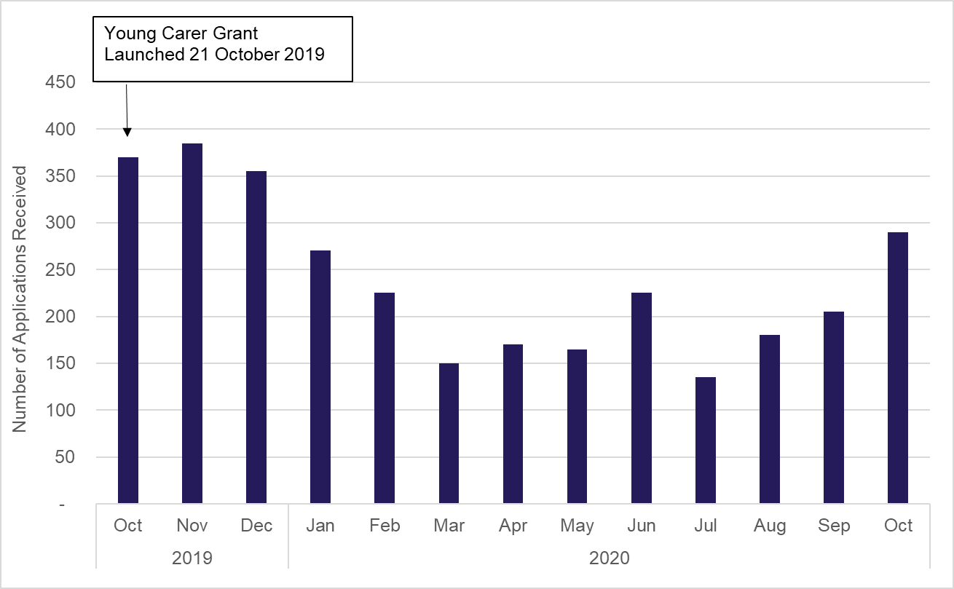
Chart 1: Applications for Young Carer Grant by month

