Chart 1 Applications by month
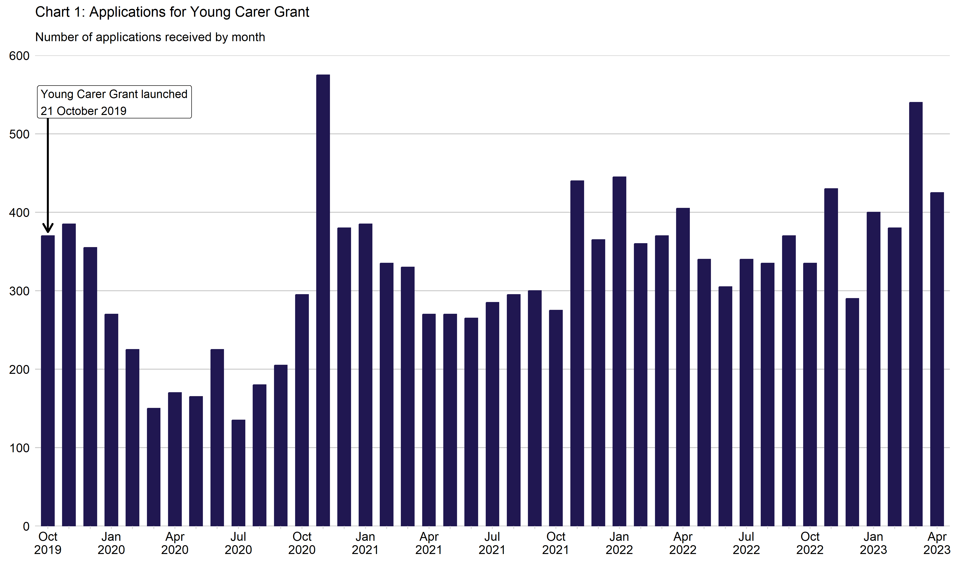
Chart 1: Applications for Young Carer Grant by month
This worksheet contains one chart. Alternative text for this chart is located in cell A3.
Alternative Text: This chart summarises the number of applications received since the benefit launched on 21 October 2019. Vertical bars are used to show the number of applications for each month. The figures used in this chart are located in Table 1 of this document.

